Step 1.2
IC vs. VCC of a Crrent Sink
VCC | IC | VE | Ro
Volts | Amps | Volts | Ohm
-3.9 | 0.00010825051444 | -3.9834195989 | 7.58E+03
-3.6 | 0.00014781728099 | -3.728966817 | 9.67E+03
-3.3 | 0.00017883443519 | -3.5292627553 | 5.02E+04
-3 | 0.00018480663233 | -3.4907926521 | 7.70E+06
-2.7 | 0.00018484558152 | -3.4905411551 | 4.94E+07
-2.4 | 0.00018485165026 | -3.4904970823 | 7.59E+07
-2.1 | 0.00018485560126 | -3.4904692241 | 7.62E+07
-1.8 | 0.00018485953803 | -3.4904414324 | 7.61E+07
-1.5 | 0.00018486347884 | -3.4904136683 | 7.64E+07
-1.2 | 0.00018486740729 | -3.490385914 | 7.64E+07
-0.9 | 0.00018487133428 | -3.4903581734 | 7.62E+07
-0.6 | 0.00018487527016 | -3.490330451

Step 1.6
V-sweep | v(vo) | i(cp_q2.1)
Volts | Volts | Amps
4.39 | 4.9403746306 | -0.00018494751054 | 4.4018
4.3901 | 4.9399538103 | -0.00018494750775
4.3902 | 4.9395337074 | -0.00018494749778
4.3903 | 4.9391114645 | -0.00018494749699
4.3904 | 4.9386847671 | -0.0001849474875
4.3905 | 4.9382535127 | -0.00018494748704
4.3906 | 4.9378176238 | -0.00018494747801
4.3907 | 4.9373769956 | -0.00018494747425
4.3908 | 4.9369315394 | -0.00018494746547
4.3909 | 4.9364811487 | -0.00018494746007
4.391 | 4.9360257279 | -0.000184947449
4.3911 | 4.9355651573 | -0.00018494744857
4.3912 | 4.9350993449 | -0.0001849474376
4.3913 | 4.9346281659 | -0.00018494743024
4.3914 | 4.934151507 | -0.00018494742222
4.3915 | 4.9336692433 | -0.00018494741872
4.3916 | 4.9331812507 | -0.0001849474189
4.3917 | 4.9326874146 | -0.00018494740679
4.3918 | 4.9321875855 | -0.00018494740101
4.3919 | 4.9316816299 | -0.00018494739677
4.392 | 4.9311694092 | -0.00018494738968
4.3921 | 4.9306507724 | -0.00018494738377
4.3922 | 4.9301255656 | -0.00018494738015
4.3923 | 4.9295936378 | -0.0001849473714
4.3924 | 4.9290548189 | -0.00018494736404
4.3925 | 4.9285089369 | -0.00018494735989
4.3926 | 4.9279558206 | -0.0001849473539
4.3927 | 4.9273952908 | -0.00018494734256
4.3928 | 4.9268271528 | -0.00018494733051
4.3929 | 4.9262512027 | -0.00018494732408
4.393 | 4.9256672462 | -0.00018494731316
4.3931 | 4.9250750577 | -0.00018494730923
4.3932 | 4.9244744227 | -0.00018494730559
4.3933 | 4.9238651205 | -0.00018494729315
4.3934 | 4.9232468962 | -0.00018494728509
4.3935 | 4.9226195062 | -0.00018494727541
4.3936 | 4.9219826865 | -0.00018494726665
4.3937 | 4.9213361575 | -0.00018494726495
4.3938 | 4.9206796513 | -0.00018494725659
4.3939 | 4.9200128617 | -0.00018494724932
4.394 | 4.9193354814 | -0.00018494724095
4.3941 | 4.9186471934 | -0.00018494722578
4.3942 | 4.9179476379 | -0.00018494721971
4.3943 | 4.9172364772 | -0.00018494720901
4.3944 | 4.9165133366 | -0.00018494719543
4.3945 | 4.9157778146 | -0.00018494718719
4.3946 | 4.9150295075 | -0.00018494717959
4.3947 | 4.9142679965 | -0.00018494716416
4.3948 | 4.9134928058 | -0.00018494715758
4.3949 | 4.9127034683 | -0.00018494715314
4.395 | 4.9118994969 | -0.00018494714125
4.3951 | 4.9110803496 | -0.00018494713115
4.3952 | 4.9102454789 | -0.00018494711659
4.3953 | 4.9093942751 | -0.00018494711094
4.3954 | 4.9085261395 | -0.00018494709942
4.3955 | 4.9076404175 | -0.00018494708023
4.3956 | 4.9067363824 | -0.00018494707128
4.3957 | 4.9058133205 | -0.00018494705716
4.3958 | 4.9048704327 | -0.00018494704634
4.3959 | 4.9039068864 | -0.00018494703781
4.396 | 4.9029218024 | -0.00018494702672
4.3961 | 4.9019142408 | -0.00018494701006
4.3962 | 4.9008831651 | -0.00018494700216
4.3963 | 4.8998275336 | -0.00018494698379
4.3964 | 4.8987461562 | -0.00018494697319
4.3965 | 4.897637837 | -0.00018494694989
4.3966 | 4.8965011932 | -0.00018494694007
4.3967 | 4.8953348367 | -0.00018494692425
4.3968 | 4.8941372216 | -0.00018494690566
4.3969 | 4.8929066635 | -0.0001849468942
4.397 | 4.8916413973 | -0.00018494687574
4.3971 | 4.8903394507 | -0.00018494686062
4.3972 | 4.8889987307 | -0.00018494683928
4.3973 | 4.8876169083 | -0.00018494682166
4.3974 | 4.8861914706 | -0.00018494680657
4.3975 | 4.8847196828 | -0.00018494678736
4.3976 | 4.883198506 | -0.00018494677064
4.3977 | 4.881624629 | -0.00018494675157
4.3978 | 4.8799943841 | -0.00018494672925
4.3979 | 4.8783037311 | -0.00018494669571
4.398 | 4.8765480523 | -0.00018494668062
4.3981 | 4.8747223786 | -0.00018494665951
4.3982 | 4.8728210505 | -0.00018494663376
4.3983 | 4.8708376916 | -0.00018494660592
4.3984 | 4.868765099 | -0.00018494657571
4.3985 | 4.8665950434 | -0.00018494655192
4.3986 | 4.8643182086 | -0.00018494652094
4.3987 | 4.8619237815 | -0.00018494648954
4.3988 | 4.8593992681 | -0.00018494645643
4.3989 | 4.8567300822 | -0.00018494641988
4.399 | 4.8538989854 | -0.00018494638971
4.3991 | 4.8508856794 | -0.00018494634247
4.3992 | 4.8476654793 | -0.00018494630514
4.3993 | 4.8442086488 | -0.00018494626304
4.3994 | 4.8404785262 | -0.00018494620742
4.3995 | 4.8364290046 | -0.00018494616063
4.3996 | 4.8320017467 | -0.00018494609866
4.3997 | 4.8271204744 | -0.00018494604209
4.3998 | 4.8216839162 | -0.00018494596682
4.3999 | 4.8155524124 | -0.00018494589045
4.4 | 4.8085270839 | -0.00018494580085
4.4001 | 4.8003105106 | -0.00018494568837
4.4002 | 4.7904295366 | -0.00018494555614
4.4003 | 4.778066663 | -0.0001849454045
4.4004 | 4.761633446 | -0.00018494518605
4.4005 | 4.7374289013 | -0.00018494486816
4.4006 | 4.6896261559 | -0.00018494425394
4.4007 | 4.5033235536 | -0.00018494182767
4.4008 | 4.1154973686 | -0.00018493679645
4.4009 | 3.7210894959 | -0.00018493166408
4.401 | 3.3259218452 | -0.00018492652357
4.4011 | 2.9296423567 | -0.00018492136463
4.4012 | 2.5322468816 | -0.00018491618887
4.4013 | 2.133741293 | -0.00018491098472
4.4014 | 1.7341019536 | -0.00018490577883
4.4015 | 1.33334497 | -0.00018490054632
4.4016 | 0.93146290856 | -0.00018489529284
4.4017 | 0.52844455393 | -0.00018489002881
4.4018 | 0.1242942368 | -0.00018488474464
4.4019 | -0.28099680132 | -0.00018487944752
4.402 | -0.68741909928 | -0.00018487412143
4.4021 | -1.0949868986 | -0.0001848687805
4.4022 | -1.5037062011 | -0.00018486342831
4.4023 | -1.9135691457 | -0.00018485805092
4.4024 | -2.3245826599 | -0.00018485265312
4.4025 | -2.7365562226 | -0.0001848469924
4.4026 | -3.0589547204 | -0.00018472802762
4.4027 | -3.141684627 | -0.00018430985026
4.4028 | -3.1777420941 | -0.00018383461029
4.4029 | -3.2007447801 | -0.00018334441713
4.403 | -3.2171942705 | -0.0001828474313
4.4031 | -3.2315383284 | -0.00018234919326
4.4032 | -3.2442056406 | -0.00018185024771
4.4033 | -3.2554397202 | -0.00018135090661
4.4034 | -3.2656080628 | -0.00018085162975
4.4035 | -3.2749628954 | -0.00018035273148
4.4036 | -3.283671181 | -0.00017985441913
4.4037 | -3.2918529293 | -0.00017935684088
4.4038 | -3.299597762 | -0.00017886010656
4.4039 | -3.306973555 | -0.00017836429857
4.404 | -3.3140336766 | -0.00017786948099
4.4041 | -3.3208204555 | -0.00017737570392
4.4042 | -3.3273677541 | -0.0001768830068
4.4043 | -3.3337038354 | -0.00017639142194
4.4044 | -3.3398517024 | -0.00017590097502
4.4045 | -3.3458306949 | -0.00017541168707
4.4046 | -3.3516574176 | -0.00017492357565
4.4047 | -3.3573457773 | -0.0001744366549
4.4048 | -3.3629080555 | -0.00017395093689
4.4049 | -3.3683544292 | -0.00017346643107
4.405 | -3.3736942571 | -0.00017298314578
4.4051 | -3.378935616 | -0.00017250108777
4.4052 | -3.3840854313 | -0.00017202026235
4.4053 | -3.3891500671 | -0.00017154067408
4.4054 | -3.3941350398 | -0.00017106232649
4.4055 | -3.3990455513 | -0.00017058522265
4.4056 | -3.4038859845 | -0.00017010936464
4.4057 | -3.4086603783 | -0.00016963475412
4.4058 | -3.4133724487 | -0.0001691613923
4.4059 | -3.4180255017 | -0.0001686892799
4.406 | -3.4226226651 | -0.00016821841739
4.4061 | -3.4271666644 | -0.00016774880478
4.4062 | -3.43165997 | -0.00016728044174
4.4063 | -3.4361050696 | -0.00016681332793
4.4064 | -3.4405040822 | -0.00016634746258
4.4065 | -3.4448588727 | -0.00016588284463
4.4066 | -3.4491714137 | -0.00016541947311
4.4067 | -3.4534433799 | -0.0001649573467
4.4068 | -3.4576762559 | -0.00016449646386
4.4069 | -3.4618716391 | -0.00016403682316
4.407 | -3.4660308501 | -0.00016357842286
4.4071 | -3.4701551411 | -0.00016312126113
4.4072 | -3.474245768 | -0.00016266533613
4.4073 | -3.4783037267 | -0.00016221064575
4.4074 | -3.4823302073 | -0.00016175718806
4.4075 | -3.4863261727 | -0.00016130496089
4.4076 | -3.4902925059 | -0.00016085396199
4.4077 | -3.4942301204 | -0.00016040418912
4.4078 | -3.4981397465 | -0.00015995563984
4.4079 | -3.5020223231 | -0.00015950831196
4.408 | -3.5058783897 | -0.00015906220283
4.4081 | -3.5097088929 | -0.00015861731024
4.4082 | -3.5135142669 | -0.00015817363145
4.4083 | -3.5172952218 | -0.00015773116399
4.4084 | -3.5210523484 | -0.00015728990529
4.4085 | -3.5247862124 | -0.00015684985274
4.4086 | -3.5284974564 | -0.0001564110038
4.4087 | -3.5321863283 | -0.00015597335554
4.4088 | -3.5358535451 | -0.00015553690552
4.4089 | -3.5394994968 | -0.00015510165094
4.409 | -3.5431247055 | -0.00015466758917
4.4091 | -3.5467294364 | -0.00015423471729
4.4092 | -3.5503141857 | -0.00015380303264
4.4093 | -3.5538793547 | -0.00015337253245
4.4094 | -3.5574253496 | -0.00015294321398
4.4095 | -3.5609523734 | -0.00015251507427
4.4096 | -3.5644609237 | -0.00015208811066
4.4097 | -3.5679512586 | -0.00015166232027
4.4098 | -3.5714237072 | -0.00015123770028
4.4099 | -3.5748786371 | -0.00015081424792
4.41 | -3.5783162646 | -0.00015039196027

Step 1.7
Magnitude of Vo
Frequency | vm(vo) | ph(v(vo))
Hz | Volts | deg
100 | 4.0470837376 | 179.59810247 | 1
102.30597298 | 4.0470790436 | 179.58883514 | 0.99999884015
104.66512108 | 4.0470741306 | 179.57935413 | 0.99999762619
107.0786705 | 4.0470689885 | 179.56965452 | 0.99999635561
109.54787571 | 4.0470636064 | 179.55973126 | 0.99999502575
112.07402013 | 4.0470579733 | 179.5495792 | 0.99999363386
114.65841676 | 4.0470520775 | 179.53919307 | 0.99999217705
117.30240887 | 4.0470459066 | 179.52856747 | 0.99999065228
120.00737073 | 4.0470394479 | 179.51769688 | 0.99998905638
122.77470828 | 4.0470326879 | 179.50657565 | 0.99998738605
125.60585988 | 4.0470256126 | 179.49519801 | 0.9999856378
128.50229708 | 4.0470182072 | 179.48355805 | 0.999983808
131.46552533 | 4.0470104565 | 179.47164972 | 0.99998189284
134.49708483 | 4.0470023441 | 179.45946683 | 0.99997988836
137.59855127 | 4.0469938534 | 179.44700306 | 0.99997779038
140.77153669 | 4.0469849667 | 179.43425193 | 0.99997559454
144.0176903 | 4.0469756654 | 179.42120682 | 0.99997329627
147.33869933 | 4.0469659301 | 179.40786096 | 0.99997089076
Phase of Vo
150.73628993 | 4.0469557406 | 179.39420742 | 0.99996837302
154.21222805 | 4.0469450761 | 179.3802391 | 0.99996573792
157.76832037 | 4.0469339142 | 179.36594875 | 0.99996297992
161.40641522 | 4.0469222318 | 179.35132896 | 0.99996009327
165.12840355 | 4.0469100044 | 179.33637212 | 0.99995707199
168.93621992 | 4.0468972067 | 179.32107048 | 0.99995390979
172.83184351 | 4.0468838121 | 179.30541609 | 0.9999506001
176.81729913 | 4.0468697928 | 179.28940082 | 0.99994713605
180.89465828 | 4.0468551196 | 179.27301637 | 0.99994351043
185.06604023 | 4.0468397621 | 179.25625421 | 0.99993971572
189.33361312 | 4.0468236883 | 179.23910566 | 0.99993574402
193.69959509 | 4.0468068649 | 179.22156181 | 0.99993158709
198.16625542 | 4.0467892568 | 179.20361356 | 0.9999272363
202.73591574 | 4.0467708276 | 179.18525159 | 0.99992268259
207.41095118 | 4.0467515389 | 179.16646638 | 0.99991791651
212.19379168 | 4.0467313501 | 179.14724817 | 0.99991292803
217.0869232 | 4.0467102203 | 179.12758699 | 0.99990770705
222.092889 | 4.0466881052 | 179.10747265 | 0.99990224259
227.21429102 | 4.0466649588 | 179.08689472 | 0.9998965233
232.45379118 | 4.046640733 | 179.0658425 | 0.99989053731
237.81411281 | 4.0466153774 | 179.0443051 | 0.99988427218
243.298042 | 4.0465888396 | 179.02227133 | 0.9998777149
248.90842912 | 4.0465610642 | 178.99972977 | 0.99987085185
254.64819025 | 4.0465319936 | 178.97666874 | 0.99986366874
260.52030873 | 4.0465015676 | 178.95307627 | 0.99985615074
266.52783666 | 4.0464697226 | 178.92894014 | 0.99984828211
272.67389657 | 4.0464363932 | 178.90424784 | 0.99984004669
278.96168296 | 4.0464015098 | 178.87898657 | 0.9998314273
285.39446401 | 4.046365 | 178.85314324 | 0.99982240604
291.97558325 | 4.046326788 | 178.82670446 | 0.99981296419
298.70846132 | 4.0462867946 | 178.79965653 | 0.99980308215
305.59659774 | 4.0462449367 | 178.77198545 | 0.99979273942
312.64357272 | 4.0462011274 | 178.74367689 | 0.99978191452
319.85304905 | 4.0461552756 | 178.71471618 | 0.99977058493
327.22877395 | 4.0461072866 | 178.68508833 | 0.99975872726
334.77458107 | 4.0460570609 | 178.65477802 | 0.9997463169
342.49439247 | 4.0460044939 | 178.62376955 | 0.99973332804
350.39222063 | 4.0459494768 | 178.59204688 | 0.99971973378
358.47217058 | 4.0458918956 | 178.5595936 | 0.99970550597
366.73844199 | 4.0458316309 | 178.52639293 | 0.99969061507
375.19533138 | 4.0457685576 | 178.49242771 | 0.9996750302
383.84723436 | 4.0457025449 | 178.45768037 | 0.99965871902
392.69864789 | 4.0456334562 | 178.42213295 | 0.99964164779
401.75417262 | 4.0455611478 | 178.38576711 | 0.99962378099
411.0185153 | 4.0454854707 | 178.34856404 | 0.99960508183
420.49649122 | 4.0454062678 | 178.31050455 | 0.99958551147
430.19302671 | 4.045323375 | 178.27156898 | 0.99956502935
440.11316169 | 4.0452366202 | 178.23173725 | 0.99954359298
450.2620523 | 4.0451458245 | 178.1909888 | 0.99952115814
460.64497358 | 4.0450507995 | 178.14930264 | 0.99949767827
471.26732222 | 4.0449513485 | 178.10665726 | 0.99947310476
482.13461936 | 4.044847266 | 178.0630307 | 0.99944738686
493.25251343 | 4.0447383367 | 178.01840049 | 0.99942047135
504.62678313 | 4.0446243349 | 177.97274364 | 0.9993923025
516.26334042 | 4.0445050254 | 177.92603667 | 0.99936282212
528.16823358 | 4.0443801605 | 177.87825555 | 0.99933196908
540.34765036 | 4.0442494835 | 177.82937571 | 0.9992996799
552.8079212 | 4.044112724 | 177.77937205 | 0.99926588779
565.55552251 | 4.043969599 | 177.72821887 | 0.99923052282
578.59708007 | 4.0438198134 | 177.67588992 | 0.99919351206
591.93937243 | 4.0436630582 | 177.62235836 | 0.99915477919
605.58933444 | 4.0434990094 | 177.56759675 | 0.99911424413
619.55406089 | 4.0433273292 | 177.51157702 | 0.99907182339
633.84081015 | 4.0431476627 | 177.4542705 | 0.99902742933
648.457008 | 4.0429596409 | 177.39564786 | 0.99898097076
663.41025142 | 4.0427628752 | 177.33567915 | 0.9989323516
678.70831259 | 4.0425569613 | 177.27433371 | 0.99888147204
694.35914292 | 4.0423414747 | 177.21158024 | 0.99882822714
710.37087717 | 4.0421159727 | 177.14738673 | 0.9987725075
726.75183769 | 4.0418799906 | 177.08172048 | 0.99871419834
743.51053873 | 4.0416330447 | 177.01454805 | 0.99865318009
760.65569088 | 4.0413746262 | 176.94583527 | 0.99858932709
778.19620562 | 4.041104206 | 176.87554725 | 0.99852250855
796.14119989 | 4.040821228 | 176.8036483 | 0.99845258709
814.50000087 | 4.0405251119 | 176.73010198 | 0.99837941932
833.28215085 | 4.0402152523 | 176.65487105 | 0.99830285564
852.49741213 | 4.0398910131 | 176.57791745 | 0.9982227389
872.15577214 | 4.0395517317 | 176.49920232 | 0.99813890533
892.26744863 | 4.0391967137 | 176.41868596 | 0.99805118341
912.84289494 | 4.038825234 | 176.3363278 | 0.99795939393
933.89280549 | 4.0384365343 | 176.25208643 | 0.99786334953
955.42812129 | 4.0380298213 | 176.16591953 | 0.9977628542
977.46003565 | 4.0376042664 | 176.07778392 | 0.99765770322
1000 | 4.0371590025 | 175.98763547 | 0.99754768229
1023.0597298 | 4.0366931244 | 175.89542914 | 0.99743256778
1046.6512108 | 4.0362056854 | 175.80111896 | 0.99731212573
1070.786705 | 4.0356956962 | 175.70465797 | 0.99718611173
1095.4787571 | 4.0351621217 | 175.60599828 | 0.99705427001
1120.7402013 | 4.0346038822 | 175.50509096 | 0.99691633377
1146.5841676 | 4.0340198484 | 175.40188613 | 0.996772024
1173.0240887 | 4.0334088404 | 175.29633287 | 0.99662104912
1200.0737073 | 4.0327696252 | 175.18837922 | 0.99646310445
1227.7470828 | 4.0321009154 | 175.0779722 | 0.99629787195
1256.0585988 | 4.0314013652 | 174.96505775 | 0.99612501904
1285.0229708 | 4.030669571 | 174.84958074 | 0.9959441989
1314.6552533 | 4.0299040637 | 174.73148498 | 0.99575504855
1344.9708483 | 4.0291033116 | 174.61071316 | 0.99555718952
1375.9855127 | 4.0282657143 | 174.48720688 | 0.99535022634
1407.7153669 | 4.0273896017 | 174.3609066 | 0.99513374638
1440.176903 | 4.0264732294 | 174.23175168 | 0.99490731856
1473.3869933 | 4.0255147768 | 174.09968032 | 0.99467049306
1507.3628993 | 4.0245123444 | 173.96462958 | 0.99442280054
1542.1222805 | 4.0234639482 | 173.82653538 | 0.99416375076
1577.6832037 | 4.0223675206 | 173.68533245 | 0.9938928328
1614.0641522 | 4.0212209034 | 173.54095439 | 0.99360951344
1651.2840355 | 4.0200218444 | 173.39333361 | 0.99331323615
1689.3621992 | 4.018767996 | 173.24240136 | 0.99300342086
1728.3184351 | 4.01745691 | 173.08808769 | 0.99267946265
1768.1729913 | 4.0160860339 | 172.93032152 | 0.99234073082
1808.9465828 | 4.0146527065 | 172.76903057 | 0.99198656779
1850.6604023 | 4.0131541556 | 172.6041414 | 0.99161628862
1893.3361312 | 4.0115874914 | 172.43557942 | 0.99122917921
1936.9959509 | 4.0099497041 | 172.26326889 | 0.99082449589
1981.6625542 | 4.0082376592 | 172.08713292 | 0.99040146413
2027.3591574 | 4.0064480917 | 171.90709351 | 0.98995927721
2074.1095118 | 4.004577604 | 171.72307154 | 0.98949709558
2121.9379168 | 4.0026226595 | 171.5349868 | 0.98901404541
2170.869232 | 4.0005795774 | 171.34275803 | 0.98850921719
2220.92889 | 3.9984445313 | 171.1463029 | 0.98798166546
2272.1429102 | 3.9962135397 | 170.94553811 | 0.98743040638
2324.5379118 | 3.9938824653 | 170.74037936 | 0.9868544177
2378.1411281 | 3.9914470078 | 170.53074141 | 0.98625263684
2432.98042 | 3.9889026997 | 170.31653814 | 0.98562395994
2489.0842912 | 3.9862449007 | 170.09768256 | 0.98496724039
2546.4819025 | 3.9834687951 | 169.87408691 | 0.98428128828
2605.2030873 | 3.9805693848 | 169.64566268 | 0.98356486864
2665.2783666 | 3.9775414844 | 169.41232067 | 0.98281670019
2726.7389657 | 3.9743797181 | 169.17397111 | 0.98203545461
2789.6168296 | 3.971078515 | 168.93052366 | 0.98121975537
2853.9446401 | 3.9676321026 | 168.68188756 | 0.98036817617
2919.7558325 | 3.964034505 | 168.42797166 | 0.97947924035
2987.0846132 | 3.9602795383 | 168.16868459 | 0.97855142
3055.9659774 | 3.9563608049 | 167.90393477 | 0.97758313428
3126.4357272 | 3.9522716926 | 167.63363062 | 0.97657274936
3198.5304905 | 3.9480053704 | 167.35768058 | 0.97551857742
3272.2877395 | 3.9435547842 | 167.07599334 | 0.97441887539
3347.7458107 | 3.9389126576 | 166.78847788 | 0.97327184536
3424.9439247 | 3.9340714868 | 166.4950437 | 0.97207563317
3503.9222063 | 3.9290235412 | 166.19560092 | 0.97082832873
3584.7217058 | 3.9237608612 | 165.89006049 | 0.96952796523
3667.3844199 | 3.9182752592 | 165.57833431 | 0.96817251958
3751.9533138 | 3.91255832 | 165.26033548 | 0.96675991249
3838.4723436 | 3.9066014018 | 164.93597845 | 0.96528800862
3926.9864789 | 3.9003956382 | 164.60517926 | 0.96375461718
4017.5417262 | 3.893931942 | 164.26785575 | 0.96215749276
4110.185153 | 3.887201009 | 163.92392778 | 0.96049433641
4204.9649122 | 3.8801933238 | 163.5733175 | 0.95876279696
4301.9302671 | 3.8728991661 | 163.21594957 | 0.95696047257
4401.1316169 | 3.8653086174 | 162.85175146 | 0.9550849125
4502.620523 | 3.8574115721 | 162.48065371 | 0.95313361971
4606.4497358 | 3.8491977465 | 162.10259022 | 0.95110405319
4712.6732222 | 3.840656692 | 161.71749855 | 0.94899363121
4821.3461936 | 3.8317778079 | 161.32532024 | 0.9467997344
4932.5251343 | 3.8225503577 | 160.92600113 | 0.94451970988
5046.2678313 | 3.8129634856 | 160.51949166 | 0.94215087526
5162.6334042 | 3.8030062364 | 160.10574727 | 0.93969052359
5281.6823358 | 3.7926675759 | 159.68472868 | 0.93713592843
5403.4765036 | 3.7819364143 | 159.25640232 | 0.93448434959
5528.079212 | 3.7708016311 | 158.82074062 | 0.93173303929
5655.5552251 | 3.7592521023 | 158.37772244 | 0.92887924888
5785.9708007 | 3.7472767304 | 157.92733338 | 0.92592023624
5919.3937243 | 3.7348644741 | 157.46956622 | 0.92285327319
6055.8933444 | 3.7220043842 | 157.00442125 | 0.91967565424
6195.5406089 | 3.7086856377 | 156.53190667 | 0.91638470518
6338.4081015 | 3.6948975765 | 156.05203893 | 0.9129777924
6484.57008 | 3.6806297471 | 155.56484314 | 0.90945233302
6634.1025142 | 3.6658719424 | 155.0703534 | 0.9058058049
6787.0831259 | 3.650614246 | 154.56861317 | 0.90203575776
6943.5914292 | 3.6348470765 | 154.05967558 | 0.89813982418
7103.7087717 | 3.6185612371 | 153.5436038 | 0.89411573166
7267.5183769 | 3.6017479612 | 153.0204713 | 0.88996131405
7435.1053873 | 3.584398965 | 152.49036217 | 0.88567452451
7606.5569088 | 3.5665064961 | 151.95337137 | 0.88125344749
7781.9620562 | 3.5480633863 | 151.409605 | 0.8766963118
7961.4119989 | 3.5290631037 | 150.85918043 | 0.87200150343
8145.0000087 | 3.5094998039 | 150.30222657 | 0.86716757829
8332.8215085 | 3.4893683824 | 149.73888397 | 0.86219327511
8524.9741213 | 3.4686645253 | 149.16930493 | 0.85707752795
8721.5577214 | 3.4473847603 | 148.59365355 | 0.85181947886
8922.6744863 | 3.4255265048 | 148.01210578 | 0.84641848969
9128.4289494 | 3.4030881126 | 147.42484939 | 0.84087415363
9338.9280549 | 3.3800689187 | 146.8320839 | 0.83518630644
9554.2812129 | 3.3564692812 | 146.23402044 | 0.82935503657
9774.6003565 | 3.3322906198 | 145.63088161 | 0.82338069479
10000 | 3.3075354507 | 145.02290124 | 0.81726390288
10230.597298 | 3.2822074168 | 144.41032414 | 0.81100556094
10466.512108 | 3.2563113154 | 143.79340571 | 0.80460685434
10707.86705 | 3.2298531175 | 143.17241163 | 0.79806925849
10954.787571 | 3.2028399866 | 142.54761738 | 0.79139454338
11207.402013 | 3.1752802859 | 141.91930778 | 0.78458477554
11465.841676 | 3.1471835861 | 141.2877764 | 0.77764231978
11730.240887 | 3.1185606616 | 140.65332506 | 0.77056983838
12000.737073 | 3.0894234836 | 140.01626309 | 0.76337028929
12277.470828 | 3.0597852054 | 139.37690674 | 0.75604692263
12560.585988 | 3.0296601423 | 138.73557842 | 0.74860327552
12850.229708 | 2.9990637434 | 138.09260594 | 0.74104316536
13146.552533 | 2.9680125579 | 137.44832175 | 0.7333706813
13449.708483 | 2.9365241955 | 136.8030621 | 0.72559017453
13759.855127 | 2.9046172799 | 136.15716621 | 0.71770624682
14077.153669 | 2.8723113969 | 135.5109754 | 0.70972373767
14401.76903 | 2.8396270364 | 134.86483224 | 0.70164770994
14733.869933 | 2.8065855303 | 134.21907968 | 0.69348343457
15073.628993 | 2.7732089851 | 133.57406012 | 0.68523637386
15421.222805 | 2.7395202097 | 132.93011461 | 0.67691216375
15776.832037 | 2.7055426412 | 132.2875819 | 0.66851659531
16140.641522 | 2.6713002659 | 131.64679769 | 0.66005559536
16512.840355 | 2.6368175395 | 131.00809368 | 0.65153520669
16893.621992 | 2.6021193036 | 130.37179686 | 0.64296156746
17283.184351 | 2.5672307028 | 129.73822871 | 0.63434089068
17681.729913 | 2.5321771 | 129.10770442 | 0.62567944331
18089.465828 | 2.4969839925 | 128.48053222 | 0.61698352552
18506.604023 | 2.461676928 | 127.85701274 | 0.60825944992
18933.361312 | 2.4262814232 | 127.23743832 | 0.59951352145
19369.959509 | 2.3908228822 | 126.62209252 | 0.59075201729
19816.625542 | 2.3553265194 | 126.01124956 | 0.5819811677
20273.591574 | 2.3198172839 | 125.40517383 | 0.57320713735
20741.095118 | 2.2843197875 | 124.80411954 | 0.56443600764
21219.379168 | 2.2488582366 | 124.20833029 | 0.55567375977
21708.69232 | 2.2134563681 | 123.61803881 | 0.54692625891
22209.2889 | 2.1781373893 | 123.03346668 | 0.53819923937
22721.429102 | 2.1429239226 | 122.45482413 | 0.529498291
23245.379118 | 2.107837955 | 121.8823099 | 0.52082884657
23781.411281 | 2.0729007926 | 121.31611114 | 0.51219617061
24329.8042 | 2.0381330192 | 120.75640333 | 0.50360534927
24890.842912 | 2.0035544614 | 120.20335033 | 0.49506128147
25464.819025 | 1.9691841568 | 119.65710438 | 0.48656867129
26052.030873 | 1.935040329 | 119.11780618 | 0.47813202158
26652.783666 | 1.9011403657 | 118.58558504 | 0.46975562874
27267.389657 | 1.8675008029 | 118.06055902 | 0.46144357863
27896.168296 | 1.8341373122 | 117.54283513 | 0.45319974359
28539.446401 | 1.8010646937 | 117.03250952 | 0.4450277806
29197.558325 | 1.7682968721 | 116.5296678 | 0.43693113035
29870.846132 | 1.7358468972 | 116.03438526 | 0.42891301731
30559.659774 | 1.7037269475 | 115.54672717 | 0.42097645069
31264.357272 | 1.6719483376 | 115.06674912 | 0.41312422623
31985.304905 | 1.6405215282 | 114.59449735 | 0.4053589287
32722.877395 | 1.6094561397 | 114.13000909 | 0.39768293519
33477.458107 | 1.5787609673 | 113.67331289 | 0.39009841893
34249.439247 | 1.5484439991 | 113.22442905 | 0.38260735371
35039.222063 | 1.518512436 | 112.78336995 | 0.37521151881
35847.217058 | 1.4889727132 | 112.35014042 | 0.36791250435
36673.844199 | 1.4598305238 | 111.92473815 | 0.36071171699
37519.533138 | 1.4310908425 | 111.50715403 | 0.35361038598
38384.723436 | 1.4027579517 | 111.09737259 | 0.34660956943
39269.864789 | 1.3748354674 | 110.69537229 | 0.33971016083
40175.417262 | 1.3473263661 | 110.30112596 | 0.33291289567
41101.85153 | 1.3202330125 | 109.91460116 | 0.32621835823
42049.649122 | 1.2935571866 | 109.53576047 | 0.31962698834
43019.302671 | 1.267300112 | 109.16456193 | 0.31313908832
44011.316169 | 1.241462483 | 108.80095933 | 0.30675482977
45026.20523 | 1.2160444928 | 108.44490254 | 0.30047426039
46064.497358 | 1.1910458601 | 108.09633787 | 0.29429731069
47126.732222 | 1.1664658565 | 107.75520833 | 0.28822380068
48213.461936 | 1.1423033327 | 107.42145397 | 0.28225344637
49325.251343 | 1.1185567443 | 107.09501217 | 0.27638586616
50462.678313 | 1.095224177 | 106.7758179 | 0.27062058708
51626.334042 | 1.0723033716 | 106.46380399 | 0.26495705084
52816.823358 | 1.0497917473 | 106.1589014 | 0.25939461976
54034.765036 | 1.0276864248 | 105.86103946 | 0.25393258243
55280.79212 | 1.0059842491 | 105.57014609 | 0.24857015924
56555.552251 | 0.98468181031 | 105.28614804 | 0.24330650764
57859.708007 | 0.96377546466 | 105.00897111 | 0.23814072728
59193.937243 | 0.9432613541 | 104.73854029 | 0.23307186489
60558.933444 | 0.92313542525 | 104.47478006 | 0.2280989189
61955.406089 | 0.90339344746 | 104.21761444 | 0.22322084395
63384.081015 | 0.88403103005 | 103.96696727 | 0.21843655515
64845.7008 | 0.8650436386 | 103.72276231 | 0.21374493207
66341.025142 | 0.84642661057 | 103.4849234 | 0.20914482265
67870.831259 | 0.82817517004 | 103.25337461 | 0.2046350468
69435.914292 | 0.81028444161 | 103.02804037 | 0.20021439983
71037.087717 | 0.79274946356 | 102.80884559 | 0.19588165577
72675.183769 | 0.77556520035 | 102.59571578 | 0.19163557036
74351.053873 | 0.75872655421 | 102.38857716 | 0.18747488399
76065.569088 | 0.74222837618 | 102.18735677 | 0.1833983244
77819.620562 | 0.7260654764 | 101.99198252 | 0.17940460921
79614.119989 | 0.71023263375 | 101.80238335 | 0.17549244834
81450.000087 | 0.69472460487 | 101.61848924 | 0.17166054619
83328.215085 | 0.67953613259 | 101.44023134 | 0.16790760376
85249.741213 | 0.66466195372 | 101.267542 | 0.16423232056
87215.577214 | 0.65009680641 | 101.10035487 | 0.16063339643
89226.744863 | 0.63583543682 | 100.93860492 | 0.1571095332
91284.289494 | 0.62187260547 | 100.78222852 | 0.15365943622
93389.280549 | 0.60820309294 | 100.63116349 | 0.15028181584
95542.812129 | 0.59482170525 | 100.48534914 | 0.14697538865
97746.003565 | 0.58172327875 | 100.34472629 | 0.14373887877
100000 | 0.56890268458 | 100.20923737 | 0.1405710189
102305.97298 | 0.55635483285 | 100.07882637 | 0.13747055137
104665.12108 | 0.54407467632 | 99.953438935 | 0.13443622905
107078.6705 | 0.53205721386 | 99.833022378 | 0.1314668162
109547.87571 | 0.52029749351 | 99.717525684 | 0.12856108923
112074.02013 | 0.50879061524 | 99.60689956 | 0.12571783739
114658.41676 | 0.49753173351 | 99.501096432 | 0.12293586339
117302.40887 | 0.48651605946 | 99.400070481 | 0.12021398394
120007.37073 | 0.47573886287 | 99.303777645 | 0.11755103025
122774.70828 | 0.46519547399 | 99.212175643 | 0.11494584846
125605.85988 | 0.45488128498 | 99.125223975 | 0.1123973
128502.29708 | 0.44479175128 | 99.04288394 | 0.10990426196
131465.52533 | 0.43492239274 | 98.965118642 | 0.10746562733
134497.08483 | 0.42526879457 | 98.891892996 | 0.10508030526
137598.55127 | 0.41582660815 | 98.823173733 | 0.10274722124
140771.53669 | 0.40659155163 | 98.7589294 | 0.10046531725
144017.6903 | 0.39755941047 | 98.699130368 | 0.09823355192
147338.69933 | 0.38872603776 | 98.643748831 | 0.096050900588
150736.28993 | 0.38008735449 | 98.592758804 | 0.093916355365
154212.22805 | 0.37163934969 | 98.546136125 | 0.091828925168
157768.32037 | 0.36337808041 | 98.503858447 | 0.089787635732
161406.41522 | 0.35529967168 | 98.465905242 | 0.087791529585
165128.40355 | 0.34740031635 | 98.432257792 | 0.085839666009
168936.21992 | 0.33967627483 | 98.402899184 | 0.083931120987
172831.84351 | 0.33212387479 | 98.377814305 | 0.082064987118
176817.29913 | 0.32473951079 | 98.356989836 | 0.080240373524
180894.65828 | 0.3175196438 | 98.340414239 | 0.078456405743
185066.04023 | 0.31046080072 | 98.328077754 | 0.076712225603
189333.61312 | 0.30355957384 | 98.319972383 | 0.075006991087
193699.59509 | 0.29681262022 | 98.316091887 | 0.073339876183
198166.25542 | 0.29021666108 | 98.316431763 | 0.07171007073
202735.91574 | 0.28376848107 | 98.320989241 | 0.070116780248
207410.95118 | 0.27746492765 | 98.329763262 | 0.068559225762
212193.79168 | 0.27130291024 | 98.342754469 | 0.067036643626
217086.9232 | 0.26527939957 | 98.359965186 | 0.065548285325
222092.889 | 0.2593914268 | 98.3813994 | 0.064093417288
227214.29102 | 0.25363608276 | 98.407062743 | 0.062671320685
232453.79118 | 0.24801051713 | 98.436962474 | 0.061281291222
237814.11281 | 0.24251193757 | 98.471107448 | 0.05992263894
243298.042 | 0.23713760891 | 98.509508103 | 0.058594687998
248908.42912 | 0.23188485224 | 98.552176423 | 0.057296776463
254648.19025 | 0.2267510441 | 98.599125919 | 0.056028256097
260520.30873 | 0.22173361554 | 98.650371594 | 0.054788492139
266527.83666 | 0.21683005131 | 98.705929913 | 0.053576863088
272673.89657 | 0.21203788892 | 98.765818766 | 0.052392760484
278961.68296 | 0.20735471778 | 98.830057435 | 0.051235588692
285394.46401 | 0.20277817833 | 98.898666549 | 0.050104764684
291975.58325 | 0.19830596112 | 98.971668046 | 0.048999717816
298708.46132 | 0.19393580598 | 99.049085126 | 0.047919889617
305596.59774 | 0.18966550108 | 99.1309422 | 0.046864733566
312643.57272 | 0.18549288213 | 99.217264839 | 0.045833714882
319853.04905 | 0.18141583145 | 99.308079717 | 0.044826310304
327228.77395 | 0.17743227712 | 99.403414551 | 0.043842007882
334774.58107 | 0.17354019216 | 99.503298039 | 0.042880306762
342494.39247 | 0.16973759363 | 99.607759783 | 0.041940716978
350392.22063 | 0.16602254181 | 99.716830227 | 0.041022759243
358472.17058 | 0.16239313937 | 99.830540565 | 0.040125964743
366738.44199 | 0.15884753053 | 99.948922668 | 0.039249874929
375195.33138 | 0.15538390025 | 100.07200899 | 0.03839404132
383847.23436 | 0.15200047341 | 100.19983246 | 0.037558025301
392698.64789 | 0.14869551402 | 100.33242641 | 0.03674139792
401754.17262 | 0.14546732441 | 100.46982444 | 0.035943739701
411018.5153 | 0.14231424447 | 100.61206029 | 0.035164640441
420496.49122 | 0.13923465084 | 100.75916777 | 0.034403699026
430193.02671 | 0.1362269562 | 100.91118057 | 0.033660523238
440113.16169 | 0.13328960844 | 101.06813216 | 0.032934729568
450262.0523 | 0.13042108999 | 101.23005561 | 0.032225943035
460644.97358 | 0.12761991702 | 101.39698349 | 0.031533797
471267.32222 | 0.12488463877 | 101.56894764 | 0.030857932987
482134.61936 | 0.12221383677 | 101.74597903 | 0.030198000509
493252.51343 | 0.11960612417 | 101.92810758 | 0.029553656886
504626.78313 | 0.11706014504 | 102.11536194 | 0.028924567079
516263.34042 | 0.11457457366 | 102.30776934 | 0.028310403513
528168.23358 | 0.11214811385 | 102.50535529 | 0.027710845913
540347.65036 | 0.10977949828 | 102.70814344 | 0.027125581133
552807.9212 | 0.10746748782 | 102.91615531 | 0.026554302997
565555.52251 | 0.10521087089 | 103.12941002 | 0.025996712129
578597.08007 | 0.10300846278 | 103.34792406 | 0.0254525158
591939.37243 | 0.10085910502 | 103.57171101 | 0.024921427763
605589.33444 | 0.098761664772 | 103.80078129 | 0.024403168102
619554.06089 | 0.096715034167 | 104.0351418 | 0.023897463072
633840.81015 | 0.094718129703 | 104.27479567 | 0.023404044948
648457.008 | 0.092769891629 | 104.51974196 | 0.022922651876
663410.25142 | 0.090869283341 | 104.76997526 | 0.022453027719
678708.31259 | 0.089015290781 | 105.02548544 | 0.021994921912
694359.14292 | 0.087206921847 | 105.28625726 | 0.021548089316
710370.87717 | 0.085443205807 | 105.55227 | 0.02111229007
726751.83769 | 0.083723192718 | 105.82349715 | 0.020687289452
743510.53873 | 0.082045952855 | 106.099906 | 0.020272857735
760655.69088 | 0.080410576143 | 106.38145727 | 0.019868770047
778196.20562 | 0.078816171596 | 106.66810473 | 0.019474806232
796141.19989 | 0.077261866764 | 106.95979482 | 0.019090750717
814500.00087 | 0.075746807182 | 107.25646624 | 0.018716392369
833282.15085 | 0.074270155828 | 107.5580496 | 0.018351524367
852497.41213 | 0.072831092588 | 107.86446698 | 0.01799594407
872155.77214 | 0.071428813725 | 108.17563155 | 0.017649452879
892267.44863 | 0.070062531353 | 108.49144725 | 0.017311856115
912842.89494 | 0.068731472924 | 108.8118083 | 0.016982962889
933892.80549 | 0.067434880711 | 109.13659893 | 0.016662585971
955428.12129 | 0.06617201131 | 109.46569298 | 0.016350541674
977460.03565 | 0.064942135142 | 109.79895355 | 0.016046649724
1000000 | 0.063744535958 | 110.1362327 | 0.015750733143

Step 1.10
VCC | VEE | CH1 (VB) | CH2 (VE) | IR1 | IR2 | IB = IR1 - IR2 | IE | IC = IE - IB | Ro
Volts | Volts | Volts | Volts | Amps | Amps | Amps | Amps | Amps | Ohm
-3.9 | -5 | -3.3868 | -3.9722 | 4.4098958333E-05 | 2.8006944444E-05 | 1.6092013889E-05 | 0.00012751861042 | 1.114E-04 | 7.54E+03
-3.6 | -5 | -3.1194 | -3.7168 | 4.06171875E-05 | 3.2649305556E-05 | 7.9678819444E-06 | 0.00015920595533 | 1.512E-04 | 1.64E+04
-3.3 | -5 | -2.9984 | -3.5986 | 3.9041666667E-05 | 0.00003475 | 4.2916666667E-06 | 0.00017387096774 | 1.696E-04 | -1.18E+06
-3 | -5 | -3.0002 | -3.6002 | 3.9065104167E-05 | 3.471875E-05 | 4.3463541667E-06 | 0.00017367245658 | 1.693E-04 | 1.04E+05
-2.7 | -5 | -2.9826 | -3.5812 | 3.88359375E-05 | 3.5024305556E-05 | 3.8116319444E-06 | 0.00017602977667 | 1.722E-04 | -2.20E+06
-2.4 | -5 | -2.983 | -3.5822 | 3.8841145833E-05 | 3.5017361111E-05 | 3.8237847222E-06 | 0.0001759057072 | 1.721E-04 | 9.06E+04
-2.1 | -5 | -2.9622 | -3.5606 | 3.85703125E-05 | 3.5378472222E-05 | 3.1918402778E-06 | 0.00017858560794 | 1.754E-04 | -1.03E+05
-1.8 | -5 | -2.981 | -3.5794 | 3.8815104167E-05 | 3.5052083333E-05 | 3.7630208333E-06 | 0.00017625310174 | 1.725E-04 | -3.13E+05
-1.5 | -5 | -2.9872 | -3.5856 | 3.8895833333E-05 | 3.4944444444E-05 | 3.9513888889E-06 | 0.00017548387097 | 1.715E-04 | 1.86E+04
-1.2 | -5 | -2.8806 | -3.4816 | 3.75078125E-05 | 3.6795138889E-05 | 7.1267361111E-07 | 0.00018838709677 | 1.877E-04 | -3.59E+04
-0.9 | -5 | -2.9364 | -3.5352 | 3.8234375E-05 | 3.5826388889E-05 | 2.4079861111E-06 | 0.0001817369727 | 1.793E-04 | 2.52E+04
-0.6 | -5 | -2.8566 | -3.4588 | 3.71953125E-05 | 3.7211805556E-05 | -1.6493055556E-08 | 0.00019121588089 | 1.912E-04

Finding Vo,min

Step 1.16
Vo vs. Vsig Characteristics of a CE Amplifier
W1 Setting | Channel 1 (Vsig, W1) | Channel 2 (Vo)
Volts | Volts | Volts
4.39 | 4.376 | 4.9722
4.391 | 4.3784 | 4.9466
4.392 | 4.379 | 4.9518
4.393 | 4.3792 | 4.9422
4.394 | 4.3796 | 4.9504
4.395 | 4.3816 | 4.9522
4.396 | 4.3824 | 4.9386
4.397 | 4.3832 | 4.9338
4.398 | 4.383 | 4.9562
4.399 | 4.3856 | 4.9488
4.4 | 4.386 | 4.9554
4.401 | 4.387 | 4.9322
4.402 | 4.3878 | 4.9318
4.403 | 4.3896 | 4.953
4.404 | 4.39 | 4.9402
4.405 | 4.3912 | 4.9258
4.406 | 4.392 | 4.9178
4.407 | 4.3934 | 4.941
4.408 | 4.3942 | 4.9292
4.409 | 4.3966 | 4.9128
4.41 | 4.397 | 4.9088
4.411 | 4.3982 | 4.9038
4.412 | 4.3988 | 4.8986
4.413 | 4.4004 | 4.893 | 4.4082 | VBQ2
4.414 | 4.401 | 4.887
4.415 | 4.4012 | 4.8674
4.416 | 4.4024 | 4.8936
4.417 | 4.4034 | 4.8254
4.418 | 4.4038 | 4.4712
4.419 | 4.4058 | 3.059
4.42 | 4.407 | 2.266
4.421 | 4.4082 | 0.3426
4.422 | 4.4092 | -0.5902
4.423 | 4.4098 | -2.6182
4.424 | 4.41 | -3.1998

Step 1.17
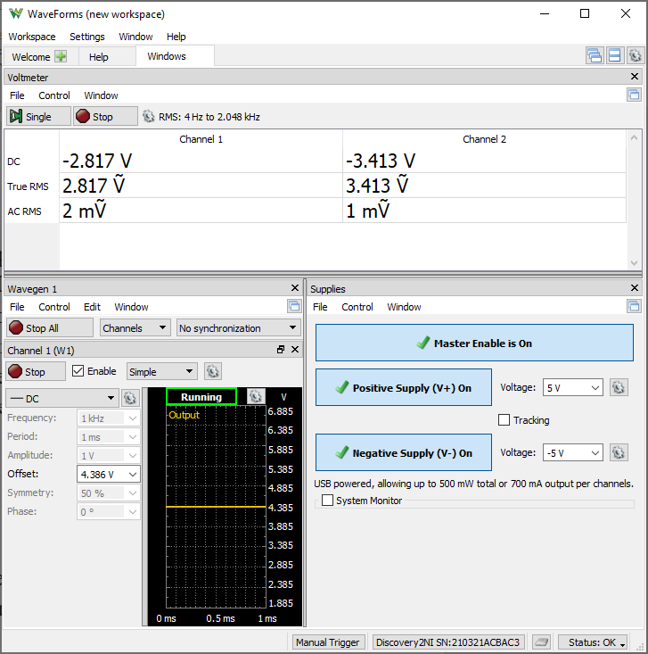
W1 Setting | VEE | Channel 1 (VB) | Channel 2 (VE) | IR1 | IR2 | IB1 = IR1 - IR2 | IE1 | IC2 = IC1 = IE1 - IB1
Volts | Volts | Volts | Volts | Amps | Amps | Amps | Amps | Amps
4.4082 | -5 | -2.831 | -3.436 | 3.6861979167E-05 | 3.765625E-05 | -7.9427083333E-07 | 0.00019404466501 | 0.00019483893585

Step 1.19
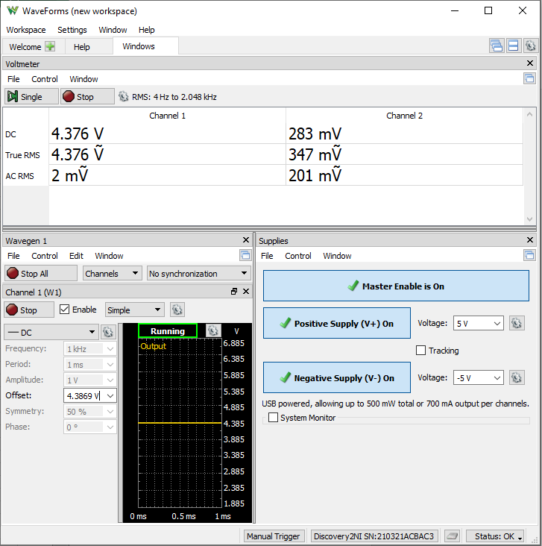
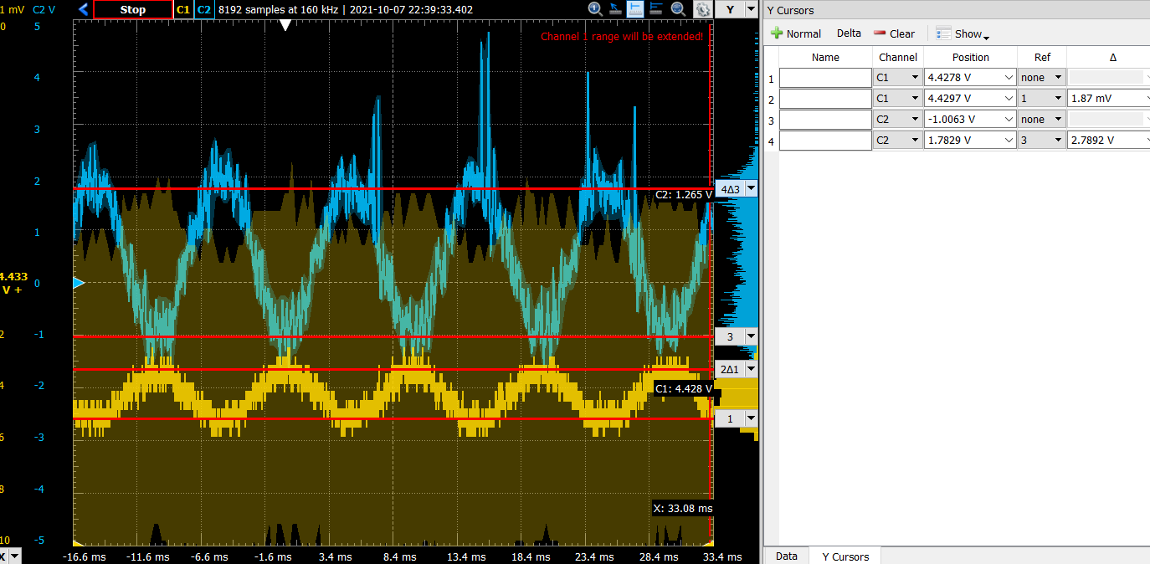
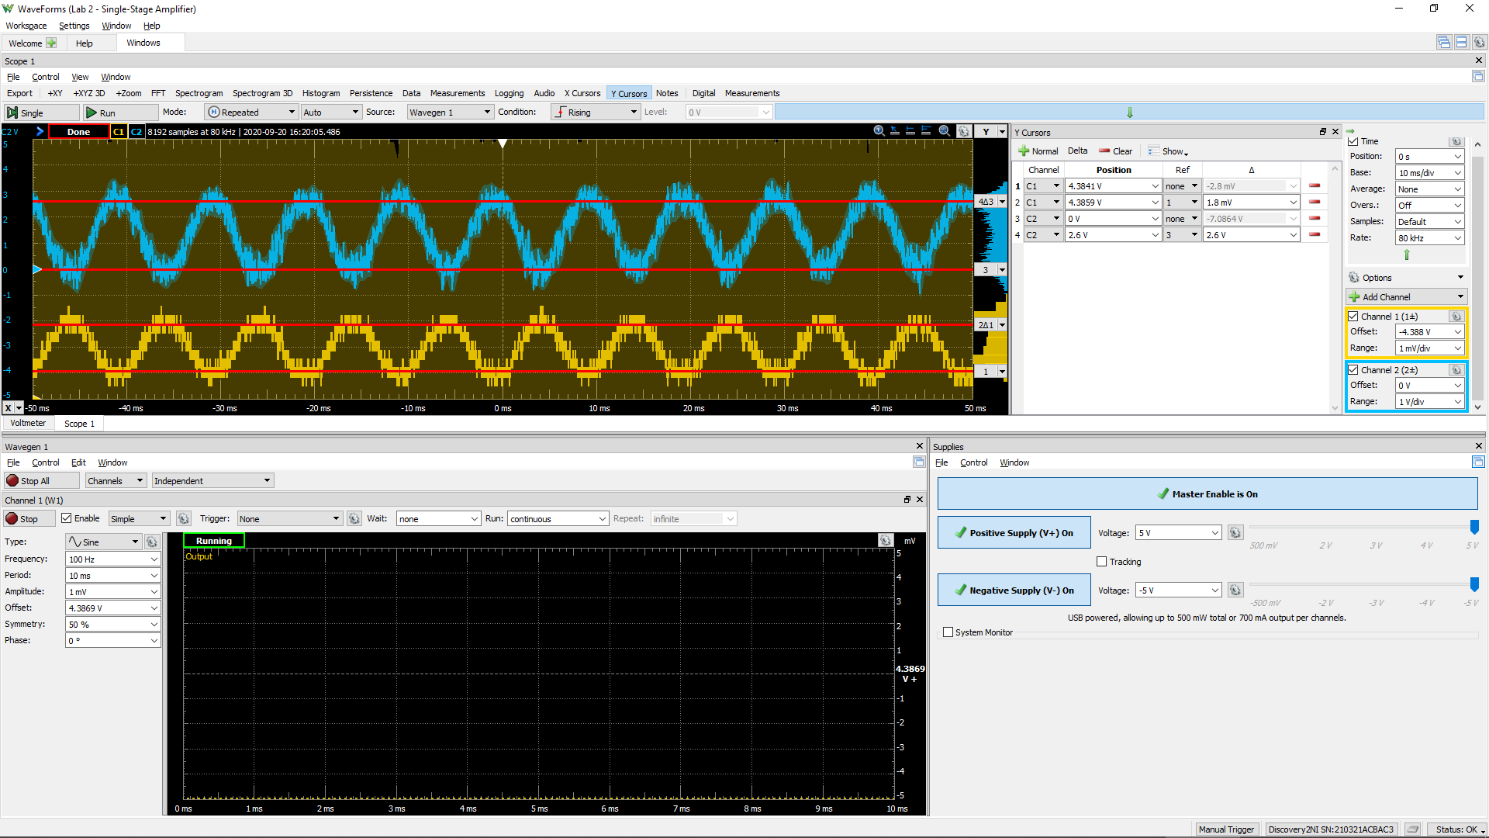
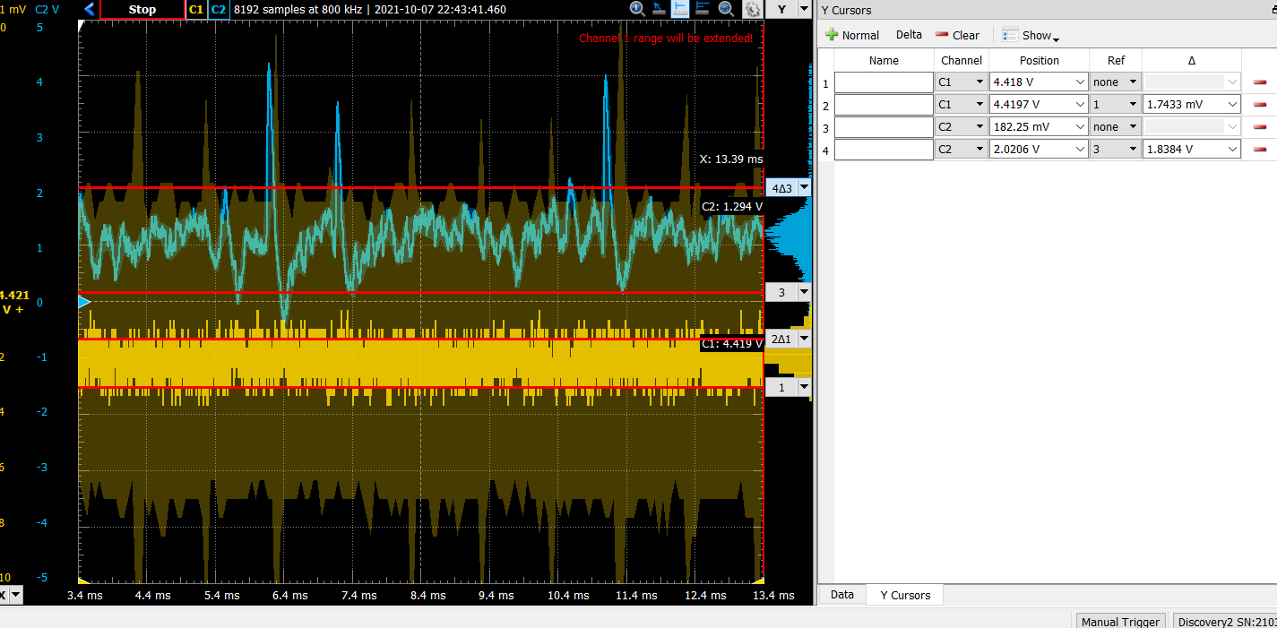
DC1 (V) | DC2 (V) | Gain Av (dB)
1.87E-03 | 2.79 | 63.5
1.74E-03 | 1.84 | 60.5 | 0.65949820789

Step 2.2
Vo (V) | VE (V) | IC2 (A)
4.9999806606 | -4.6834879074 | 2.3391690807E-09
4.9999806558 | -4.6834868398 | 2.339753058E-09
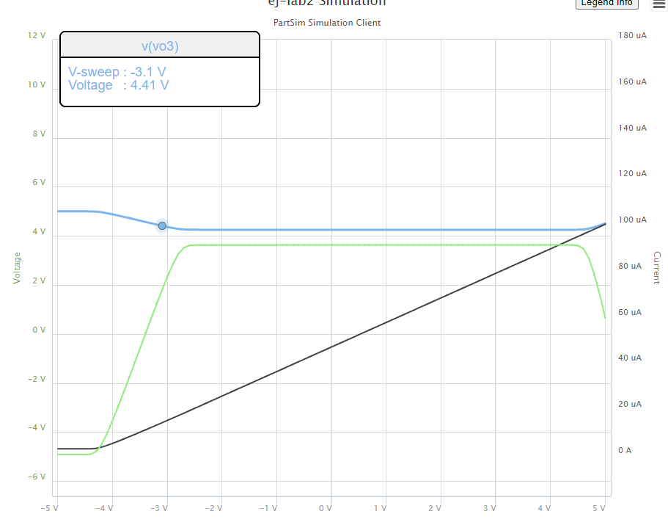
4.999980612 | -4.6834807376 | 2.345059924E-09
4.9999799764 | -4.6834601867 | 2.4221022965E-09
4.9999717052 | -4.6833829854 | 3.4246778746E-09
4.9998651236 | -4.6829924749 | 1.6343649989E-08
4.9985844035 | -4.6800793363 | 1.7158245225E-07
4.9888119762 | -4.6611191363 | 1.3561191088E-06
4.9610400384 | -4.6097746998 | 4.7224146251E-06
4.9210151816 | -4.5373305104 | 9.5739124577E-06
4.8750960468 | -4.4552171291 | 1.5139868235E-05
4.8260455592 | -4.3681301225 | 2.1085381935E-05
4.7752329671 | -4.2782373816 | 2.7244484058E-05
4.7232252482 | -4.1863130518 | 3.3548450042E-05
4.6705773372 | -4.0930825899 | 3.9930015059E-05
4.6176391431 | -3.9988954946 | 4.6346765917E-05
4.5647101552 | -3.9039591504 | 5.2762400863E-05
4.5121125538 | -3.8084179024 | 5.9137867752E-05
4.4602502655 | -3.7123690309 | 6.5424205777E-05
4.4097075611 | -3.615872075 | 7.1550594246E-05
4.3614514117 | -3.5189490613 | 7.7399824518E-05
4.3172819779 | -3.4215699571 | 8.2753695333E-05
4.2808132787 | -3.3236119127 | 8.7174143753E-05
4.2593089068 | -3.2247647903 | 8.9780734309E-05
4.2515739779 | -3.1251824131 | 9.0718301462E-05
4.2503500486 | -3.0252451294 | 9.0866656525E-05
4.2501355556 | -2.9252588586 | 9.0892655673E-05
4.2500999077 | -2.825264803 | 9.0896976637E-05
4.2500910121 | -2.7252693806 | 9.0898054891E-05
4.2500858975 | -2.625273762 | 9.089867484E-05
4.2500812338 | -2.5252781204 | 9.0899240139E-05
4.250076614 | -2.4252824768 | 9.0899800111E-05
4.2500720124 | -2.3252868328 | 9.0900357878E-05
4.2500674823 | -2.2252911855 | 9.090090699E-05
4.2500628951 | -2.1252955415 | 9.0901463009E-05
4.2500584099 | -2.0252998927 | 9.0902006673E-05
4.2500539295 | -1.9253042441 | 9.0902549755E-05
4.2500492829 | -1.8253086046 | 9.0903112977E-05
4.2500447587 | -1.7253129592 | 9.090366136E-05
4.2500402592 | -1.6253173129 | 9.0904206761E-05
4.2500357158 | -1.5253216693 | 9.0904757469E-05
4.2500311802 | -1.4253260257 | 9.0905307246E-05
4.2500266486 | -1.3253303824 | 9.0905856523E-05
4.2500221309 | -1.2253347388 | 9.0906404123E-05
4.250017608 | -1.1253390959 | 9.0906952361E-05
4.250013064 | -1.0253434546 | 9.0907503148E-05
4.2500085927 | -0.92534780989 | 9.0908045119E-05
4.250004028 | -0.82535217049 | 9.0908598416E-05
4.2499994955 | -0.72535652986 | 9.0909147809E-05
4.2499949607 | -0.62536088978 | 9.090969748E-05
4.2499904757 | -0.52536524755 | 9.091024112E-05
4.2499859337 | -0.42536960873 | 9.0910791663E-05
4.2499814289 | -0.32537396841 | 9.0911337701E-05
4.249976909 | -0.22537832932 | 9.0911885572E-05
4.249972397 | -0.12538269025 | 9.0912432476E-05
4.249967884 | -0.025387051672 | 9.0912979508E-05
4.2499633709 | 0.074608586461 | 9.0913526545E-05
4.2499588419 | 0.17460422332 | 9.0914075525E-05
4.2499543456 | 0.27459986145 | 9.0914620529E-05
4.2499498065 | 0.3745954969 | 9.0915170715E-05
4.2499453291 | 0.47459113514 | 9.0915713432E-05
4.2499407921 | 0.57458676982 | 9.0916263371E-05
4.2499362886 | 0.67458240581 | 9.0916809256E-05
4.2499317694 | 0.77457804054 | 9.0917357038E-05
4.2499272729 | 0.87457367601 | 9.0917902065E-05
4.2499227654 | 0.97456931048 | 9.0918448426E-05
4.2499182632 | 1.0745649448 | 9.0918994152E-05
4.2499137343 | 1.1745605772 | 9.0919543108E-05
4.249909204 | 1.2745562092 | 9.0920092236E-05
4.2499047715 | 1.3745518458 | 9.0920629512E-05
4.2499002381 | 1.4745474767 | 9.0921179017E-05
4.2498957564 | 1.5745431099 | 9.0921722248E-05
4.2498912895 | 1.6745387433 | 9.0922263689E-05
4.2498867986 | 1.7745343751 | 9.0922808035E-05
4.2498822722 | 1.8745300046 | 9.09233567E-05
4.2498777454 | 1.9745256337 | 9.0923905397E-05
4.2498732664 | 2.0745212648 | 9.0924448302E-05
4.2498687382 | 2.1745168928 | 9.0924997177E-05
4.2498642294 | 2.2745125215 | 9.0925543698E-05
4.2498597238 | 2.3745081498 | 9.0926089838E-05
4.2498552581 | 2.4745037798 | 9.0926631126E-05
4.2498508287 | 2.5744994113 | 9.0927168028E-05
4.2498462494 | 2.6744950345 | 9.0927723101E-05
4.2498417763 | 2.7744906627 | 9.0928265293E-05
4.2498372985 | 2.8744862902 | 9.0928808054E-05
4.2498328821 | 2.9744819204 | 9.0929343374E-05
4.2498283662 | 3.0744775449 | 9.0929890755E-05
4.2498238916 | 3.1744731709 | 9.0930433133E-05
4.2498194667 | 3.2744687984 | 9.0930969489E-05
4.2498149949 | 3.3744644215 | 9.0931511517E-05
4.2498105932 | 3.4744600417 | 9.0932045059E-05
4.249806969 | 3.5744556623 | 9.0932484353E-05
4.2498087177 | 3.6744512621 | 9.0932272389E-05
4.2498478367 | 3.7744467854 | 9.0927530694E-05
4.250145835 | 3.874441933 | 9.0891409689E-05
4.2521614815 | 3.9744351915 | 9.0647088905E-05
4.2631834297 | 4.074420301 | 8.931109517E-05
4.2976311968 | 4.1743865988 | 8.5135608215E-05
4.3563407783 | 4.2743350785 | 7.801929525E-05
4.4295098936 | 4.3742737833 | 6.9150311497E-05
4.510352189 | 4.4742076629 | 5.9351245312E-05

Stp 2.3
Frequency | vm(vo) | ph(v(vo)) | Common-mode Gain Acm
Hz | Volts | deg | dB
0.1 | 4.5192842319E-08 | -179.97674701 | -86.90 | 4.5192842319E-05
0.10230597298 | 4.5192842493E-08 | -179.97621081 | -86.90
0.10466512108 | 4.5192842678E-08 | -179.97566223 | -86.90
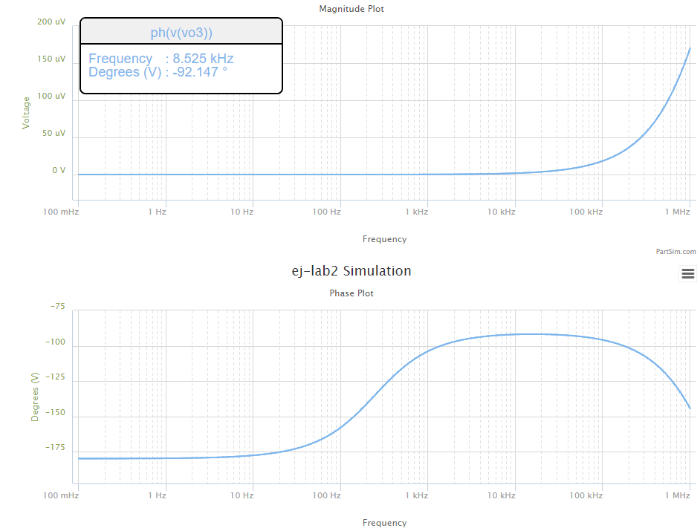
0.1070786705 | 4.5192842865E-08 | -179.97510101 | -86.90
0.10954787571 | 4.5192843067E-08 | -179.97452685 | -86.90
0.11207402013 | 4.5192843276E-08 | -179.97393944 | -86.90
0.11465841676 | 4.519284349E-08 | -179.97333849 | -86.90
0.11730240887 | 4.5192843719E-08 | -179.97272369 | -86.90
0.12000737073 | 4.5192843957E-08 | -179.9720947 | -86.90
0.12277470828 | 4.5192844204E-08 | -179.97145121 | -86.90
0.12560585988 | 4.5192844469E-08 | -179.97079289 | -86.90
0.12850229708 | 4.5192844743E-08 | -179.97011938 | -86.90
0.13146552533 | 4.5192845026E-08 | -179.96943034 | -86.90
0.13449708483 | 4.5192845326E-08 | -179.96872541 | -86.90
0.13759855127 | 4.5192845644E-08 | -179.96800423 | -86.90
0.14077153669 | 4.5192845973E-08 | -179.96726641 | -86.90
0.1440176903 | 4.5192846317E-08 | -179.96651159 | -86.90
0.14733869933 | 4.5192846673E-08 | -179.96573935 | -86.90
0.15073628993 | 4.519284705E-08 | -179.96494931 | -86.90
0.15421222805 | 4.5192847441E-08 | -179.96414105 | -86.90
0.15776832037 | 4.5192847858E-08 | -179.96331416 | -86.90
0.16140641522 | 4.519284829E-08 | -179.96246819 | -86.90
0.16512840355 | 4.5192848746E-08 | -179.96160272 | -86.90
0.16893621992 | 4.5192849212E-08 | -179.96071729 | -86.90
0.17283184351 | 4.5192849711E-08 | -179.95981144 | -86.90
0.17681729913 | 4.519285023E-08 | -179.9588847 | -86.90
0.18089465828 | 4.5192850776E-08 | -179.95793659 | -86.90
0.18506604023 | 4.5192851344E-08 | -179.95696662 | -86.90
0.18933361312 | 4.5192851942E-08 | -179.95597429 | -86.90
0.19369959509 | 4.5192852565E-08 | -179.95495907 | -86.90
0.19816625542 | 4.5192853223E-08 | -179.95392043 | -86.90
0.20273591574 | 4.5192853898E-08 | -179.95285785 | -86.90
0.20741095118 | 4.5192854612E-08 | -179.95177077 | -86.90
0.21219379168 | 4.5192855359E-08 | -179.95065861 | -86.90
0.2170869232 | 4.5192856147E-08 | -179.94952082 | -86.90
0.222092889 | 4.5192856959E-08 | -179.94835678 | -86.90
0.22721429102 | 4.5192857822E-08 | -179.9471659 | -86.90
0.23245379118 | 4.5192858718E-08 | -179.94594756 | -86.90
0.23781411281 | 4.5192859653E-08 | -179.94470113 | -86.90
0.243298042 | 4.5192860642E-08 | -179.94342595 | -86.90
0.24890842912 | 4.5192861673E-08 | -179.94212137 | -86.90
0.25464819025 | 4.5192862739E-08 | -179.94078671 | -86.90
0.26052030873 | 4.5192863871E-08 | -179.93942127 | -86.90
0.26652783666 | 4.519286505E-08 | -179.93802434 | -86.90
0.27267389657 | 4.5192866283E-08 | -179.9365952 | -86.90
0.27896168296 | 4.5192867574E-08 | -179.9351331 | -86.90
0.28539446401 | 4.5192868929E-08 | -179.93363729 | -86.90
0.29197558325 | 4.5192870343E-08 | -179.93210698 | -86.90
0.29870846132 | 4.5192871823E-08 | -179.93054139 | -86.90
0.30559659774 | 4.5192873372E-08 | -179.9289397 | -86.90
0.31264357272 | 4.5192874994E-08 | -179.92730107 | -86.90
0.31985304905 | 4.5192876691E-08 | -179.92562465 | -86.90
0.32722877395 | 4.5192878464E-08 | -179.92390958 | -86.90
0.33477458107 | 4.5192880326E-08 | -179.92215495 | -86.90
0.34249439247 | 4.5192882272E-08 | -179.92035987 | -86.90
0.35039222063 | 4.5192884312E-08 | -179.91852339 | -86.90
0.35847217058 | 4.5192886448E-08 | -179.91664457 | -86.90
0.36673844199 | 4.5192888682E-08 | -179.91472242 | -86.90
0.37519533138 | 4.5192891014E-08 | -179.91275594 | -86.90
0.38384723436 | 4.5192893458E-08 | -179.91074412 | -86.90
0.39269864789 | 4.5192896013E-08 | -179.90868591 | -86.90
0.40175417262 | 4.5192898697E-08 | -179.90658023 | -86.90
0.4110185153 | 4.5192901514E-08 | -179.904426 | -86.90
0.42049649122 | 4.5192904447E-08 | -179.9022221 | -86.90
0.43019302671 | 4.5192907517E-08 | -179.89996737 | -86.90
0.44011316169 | 4.519291072E-08 | -179.89766065 | -86.90
0.4502620523 | 4.5192914086E-08 | -179.89530073 | -86.90
0.46064497358 | 4.5192917606E-08 | -179.8928864 | -86.90
0.47126732222 | 4.5192921294E-08 | -179.8904164 | -86.90
0.48213461936 | 4.5192925153E-08 | -179.88788944 | -86.90
0.49325251343 | 4.5192929193E-08 | -179.8853042 | -86.90
0.50462678313 | 4.5192933424E-08 | -179.88265936 | -86.90
0.51626334042 | 4.5192937845E-08 | -179.87995352 | -86.90
0.52816823358 | 4.5192942476E-08 | -179.87718529 | -86.90
0.54034765036 | 4.5192947323E-08 | -179.87435323 | -86.90
0.5528079212 | 4.5192952393E-08 | -179.87145585 | -86.90
0.56555552251 | 4.5192957699E-08 | -179.86849167 | -86.90
0.57859708007 | 4.5192963259E-08 | -179.86545914 | -86.90
0.59193937243 | 4.5192969079E-08 | -179.86235667 | -86.90
0.60558933444 | 4.5192975162E-08 | -179.85918267 | -86.90
0.61955406089 | 4.519298154E-08 | -179.85593547 | -86.90
0.63384081015 | 4.5192988194E-08 | -179.8526134 | -86.90
0.648457008 | 4.519299518E-08 | -179.84921472 | -86.90
0.66341025142 | 4.5193002481E-08 | -179.84573766 | -86.90
0.67870831259 | 4.5193010133E-08 | -179.84218043 | -86.90
0.69435914292 | 4.5193018131E-08 | -179.83854118 | -86.90
0.71037087717 | 4.5193026506E-08 | -179.834818 | -86.90
0.72675183769 | 4.5193035274E-08 | -179.83100897 | -86.90
0.74351053873 | 4.5193044451E-08 | -179.82711211 | -86.90
0.76065569088 | 4.5193054046E-08 | -179.82312538 | -86.90
0.77819620562 | 4.5193064102E-08 | -179.81904673 | -86.90
0.79614119989 | 4.5193074624E-08 | -179.81487402 | -86.90
0.81450000087 | 4.5193085629E-08 | -179.8106051 | -86.90
0.83328215085 | 4.5193097144E-08 | -179.80623774 | -86.90
0.85249741213 | 4.5193109217E-08 | -179.80176967 | -86.90
0.87215577214 | 4.5193121839E-08 | -179.79719857 | -86.90
0.89226744863 | 4.5193135042E-08 | -179.79252206 | -86.90
0.91284289494 | 4.5193148883E-08 | -179.78773772 | -86.90
0.93389280549 | 4.5193163354E-08 | -179.78284306 | -86.90
0.95542812129 | 4.5193178507E-08 | -179.77783552 | -86.90
0.97746003565 | 4.519319436E-08 | -179.77271253 | -86.90
1 | 4.5193210952E-08 | -179.76747139 | -86.90
1.0230597298 | 4.5193228332E-08 | -179.76210941 | -86.90
1.0466512108 | 4.5193246511E-08 | -179.75662378 | -86.90
1.070786705 | 4.5193265545E-08 | -179.75101166 | -86.90
1.0954787571 | 4.5193285456E-08 | -179.74527013 | -86.90
1.1207402013 | 4.519330631E-08 | -179.73939621 | -86.90
1.1465841676 | 4.5193328121E-08 | -179.73338684 | -86.90
1.1730240887 | 4.5193350961E-08 | -179.72723891 | -86.90
1.2000737073 | 4.5193374868E-08 | -179.72094921 | -86.90
1.2277470828 | 4.519339988E-08 | -179.71451448 | -86.90
1.2560585988 | 4.5193426066E-08 | -179.70793137 | -86.90
1.2850229708 | 4.5193453486E-08 | -179.70119647 | -86.90
1.3146552533 | 4.5193482159E-08 | -179.69430627 | -86.90
1.3449708483 | 4.5193512188E-08 | -179.68725719 | -86.90
1.3759855127 | 4.5193543609E-08 | -179.68004558 | -86.90
1.4077153669 | 4.5193576499E-08 | -179.67266767 | -86.90
1.440176903 | 4.5193610909E-08 | -179.66511965 | -86.90
1.4733869933 | 4.5193646945E-08 | -179.65739758 | -86.90
1.5073628993 | 4.5193684653E-08 | -179.64949746 | -86.90
1.5421222805 | 4.5193724134E-08 | -179.64141517 | -86.90
1.5776832037 | 4.5193765434E-08 | -179.63314653 | -86.90
1.6140641522 | 4.5193808675E-08 | -179.62468722 | -86.90
1.6512840355 | 4.5193853927E-08 | -179.61603287 | -86.90
1.6893621992 | 4.5193901287E-08 | -179.60717896 | -86.90
1.7283184351 | 4.5193950869E-08 | -179.59812091 | -86.90
1.7681729913 | 4.5194002762E-08 | -179.588854 | -86.90
1.8089465828 | 4.5194057068E-08 | -179.57937342 | -86.90
1.8506604023 | 4.5194113906E-08 | -179.56967425 | -86.90
1.8933361312 | 4.5194173405E-08 | -179.55975144 | -86.90
1.9369959509 | 4.5194235671E-08 | -179.54959984 | -86.90
1.9816625542 | 4.5194300844E-08 | -179.53921418 | -86.90
2.0273591574 | 4.5194369059E-08 | -179.52858906 | -86.90
2.0741095118 | 4.5194440465E-08 | -179.51771896 | -86.90
2.1219379168 | 4.519451519E-08 | -179.50659823 | -86.90
2.170869232 | 4.5194593399E-08 | -179.4952211 | -86.90
2.22092889 | 4.5194675262E-08 | -179.48358166 | -86.90
2.2721429102 | 4.5194760948E-08 | -179.47167386 | -86.90
2.3245379118 | 4.5194850619E-08 | -179.45949152 | -86.90
2.3781411281 | 4.5194944489E-08 | -179.4470283 | -86.90
2.43298042 | 4.5195042728E-08 | -179.43427775 | -86.90
2.4890842912 | 4.5195145551E-08 | -179.42123322 | -86.90
2.5464819025 | 4.5195253168E-08 | -179.40788796 | -86.90
2.6052030873 | 4.5195365803E-08 | -179.39423502 | -86.90
2.6652783666 | 4.5195483689E-08 | -179.38026732 | -86.90
2.7267389657 | 4.5195607087E-08 | -179.36597761 | -86.90
2.7896168296 | 4.5195736234E-08 | -179.35135846 | -86.90
2.8539446401 | 4.519587141E-08 | -179.33640228 | -86.90
2.9197558325 | 4.5196012884E-08 | -179.32110132 | -86.90
2.9870846132 | 4.5196160972E-08 | -179.30544761 | -86.90
3.0559659774 | 4.5196315958E-08 | -179.28943305 | -86.90
3.1264357272 | 4.5196478173E-08 | -179.2730493 | -86.90
3.1985304905 | 4.5196647965E-08 | -179.25628788 | -86.90
3.2722877395 | 4.5196825659E-08 | -179.23914008 | -86.90
3.3477458107 | 4.5197011649E-08 | -179.22159699 | -86.90
3.4249439247 | 4.5197206321E-08 | -179.20364951 | -86.90
3.5039222063 | 4.5197410062E-08 | -179.18528833 | -86.90
3.5847217058 | 4.5197623306E-08 | -179.16650392 | -86.90
3.6673844199 | 4.519784652E-08 | -179.14728654 | -86.90
3.7519533138 | 4.519808012E-08 | -179.1276262 | -86.90
3.8384723436 | 4.5198324649E-08 | -179.10751272 | -86.90
3.9269864789 | 4.519858055E-08 | -179.08693565 | -86.90
4.0175417262 | 4.5198848403E-08 | -179.06588433 | -86.90
4.110185153 | 4.5199128754E-08 | -179.04434782 | -86.90
4.2049649122 | 4.5199422175E-08 | -179.02231497 | -86.90
4.3019302671 | 4.5199729279E-08 | -178.99977435 | -86.90
4.4011316169 | 4.5200050715E-08 | -178.97671427 | -86.90
4.502620523 | 4.5200387146E-08 | -178.95312278 | -86.90
4.6064497358 | 4.5200739255E-08 | -178.92898764 | -86.90
4.7126732222 | 4.5201107807E-08 | -178.90429634 | -86.90
4.8213461936 | 4.5201493533E-08 | -178.87903609 | -86.90
4.9325251343 | 4.5201897255E-08 | -178.85319379 | -86.90
5.0462678313 | 4.5202319812E-08 | -178.82675606 | -86.90
5.1626334042 | 4.5202762085E-08 | -178.79970921 | -86.90
5.2816823358 | 4.5203224965E-08 | -178.77203921 | -86.90
5.4034765036 | 4.5203709447E-08 | -178.74373175 | -86.90
5.528079212 | 4.5204216514E-08 | -178.71477215 | -86.90
5.6555552251 | 4.520474724E-08 | -178.68514544 | -86.90
5.7859708007 | 4.5205302726E-08 | -178.65483627 | -86.90
5.9193937243 | 4.5205884099E-08 | -178.62382897 | -86.90
6.0558933444 | 4.520649259E-08 | -178.59210747 | -86.90
6.1955406089 | 4.5207129479E-08 | -178.55965538 | -86.90
6.3384081015 | 4.5207796058E-08 | -178.52645591 | -86.90
6.48457008 | 4.5208493712E-08 | -178.4924919 | -86.90
6.6341025142 | 4.5209223912E-08 | -178.45774578 | -86.90
6.7870831259 | 4.5209988168E-08 | -178.42219961 | -86.90
6.9435914292 | 4.5210788042E-08 | -178.385835 | -86.90
7.1037087717 | 4.5211625236E-08 | -178.34863319 | -86.89
7.2675183769 | 4.5212501474E-08 | -178.31057495 | -86.89
7.4351053873 | 4.5213418554E-08 | -178.27164064 | -86.89
7.6065569088 | 4.5214378418E-08 | -178.23181018 | -86.89
7.7819620562 | 4.5215383022E-08 | -178.191063 | -86.89
7.9614119989 | 4.5216434477E-08 | -178.14937811 | -86.89
8.1450000087 | 4.5217534946E-08 | -178.106734 | -86.89
8.3328215085 | 4.5218686727E-08 | -178.0631087 | -86.89
8.5249741213 | 4.5219892217E-08 | -178.01847974 | -86.89
8.7215577214 | 4.5221153909E-08 | -177.97282414 | -86.89
8.9226744863 | 4.5222474417E-08 | -177.9261184 | -86.89
9.1284289494 | 4.5223856485E-08 | -177.8783385 | -86.89
9.3389280549 | 4.5225302996E-08 | -177.82945986 | -86.89
9.5542812129 | 4.5226816928E-08 | -177.77945737 | -86.89
9.7746003565 | 4.522840144E-08 | -177.72830534 | -86.89
10 | 4.5230059798E-08 | -177.67597751 | -86.89
10.230597298 | 4.5231795463E-08 | -177.62244703 | -86.89
10.466512108 | 4.5233612031E-08 | -177.56768646 | -86.89
10.70786705 | 4.5235513266E-08 | -177.51166772 | -86.89
10.954787571 | 4.5237503107E-08 | -177.45436214 | -86.89
11.207402013 | 4.5239585689E-08 | -177.39574039 | -86.89
11.465841676 | 4.5241765315E-08 | -177.33577249 | -86.89
11.730240887 | 4.5244046513E-08 | -177.27442779 | -86.89
12.000737073 | 4.524643401E-08 | -177.21167498 | -86.89
12.277470828 | 4.5248932748E-08 | -177.14748203 | -86.89
12.560585988 | 4.5251547915E-08 | -177.08181624 | -86.89
12.850229708 | 4.5254284912E-08 | -177.01464416 | -86.89
13.146552533 | 4.5257149421E-08 | -176.94593162 | -86.89
13.449708483 | 4.5260147368E-08 | -176.87564369 | -86.89
13.759855127 | 4.526328497E-08 | -176.80374469 | -86.89
14.077153669 | 4.5266568697E-08 | -176.73019816 | -86.88
14.40176903 | 4.5270005361E-08 | -176.65496683 | -86.88
14.733869933 | 4.5273602071E-08 | -176.57801265 | -86.88
15.073628993 | 4.5277366268E-08 | -176.49929672 | -86.88
15.421222805 | 4.5281305733E-08 | -176.41877934 | -86.88
15.776832037 | 4.5285428617E-08 | -176.33641991 | -86.88
16.140641522 | 4.528974343E-08 | -176.25217699 | -86.88
16.512840355 | 4.52942591E-08 | -176.16600826 | -86.88
16.893621992 | 4.5298984948E-08 | -176.07787049 | -86.88
17.283184351 | 4.5303930728E-08 | -175.98771954 | -86.88
17.681729913 | 4.5309106656E-08 | -175.89551034 | -86.88
18.089465828 | 4.5314523417E-08 | -175.80119688 | -86.88
18.506604023 | 4.5320192196E-08 | -175.70473218 | -86.87
18.933361312 | 4.5326124652E-08 | -175.6060683 | -86.87
19.369959509 | 4.5332333036E-08 | -175.50515628 | -86.87
19.816625542 | 4.5338830135E-08 | -175.40194621 | -86.87
20.273591574 | 4.5345629357E-08 | -175.2963871 | -86.87
20.741095118 | 4.5352744658E-08 | -175.18842696 | -86.87
21.219379168 | 4.5360190711E-08 | -175.07801276 | -86.87
21.70869232 | 4.5367982811E-08 | -174.96509038 | -86.87
22.2092889 | 4.5376137E-08 | -174.84960465 | -86.86
22.721429102 | 4.538467003E-08 | -174.73149929 | -86.86
23.245379118 | 4.5393599405E-08 | -174.61071695 | -86.86
23.781411281 | 4.5402943457E-08 | -174.48719914 | -86.86
24.3298042 | 4.5412721375E-08 | -174.36088626 | -86.86
24.890842912 | 4.542295319E-08 | -174.23171758 | -86.85
25.464819025 | 4.5433659862E-08 | -174.09963122 | -86.85
26.052030873 | 4.54448633E-08 | -173.96456413 | -86.85
26.652783666 | 4.5456586453E-08 | -173.82645215 | -86.85
27.267389657 | 4.5468853256E-08 | -173.6852299 | -86.85
27.896168296 | 4.548168878E-08 | -173.54083086 | -86.84
28.539446401 | 4.5495119212E-08 | -173.39318732 | -86.84
29.197558325 | 4.5509171951E-08 | -173.24223039 | -86.84
29.870846132 | 4.5523875625E-08 | -173.08789001 | -86.84
30.559659774 | 4.5539260155E-08 | -172.93009493 | -86.83
31.264357272 | 4.555535728E-08 | -172.76877278 | -86.83
31.985304905 | 4.5572198801E-08 | -172.60384983 | -86.83
32.722877395 | 4.5589819313E-08 | -172.43525136 | -86.82
33.477458107 | 4.5608254575E-08 | -172.26290144 | -86.82
34.249439247 | 4.5627541865E-08 | -172.08672297 | -86.82
35.039222063 | 4.5647720209E-08 | -171.90663774 | -86.81
35.847217058 | 4.5668830358E-08 | -171.72256639 | -86.81
36.673844199 | 4.5690914869E-08 | -171.53442846 | -86.80
37.519533138 | 4.5714018224E-08 | -171.34214241 | -86.80
38.384723436 | 4.5738186879E-08 | -171.14562566 | -86.79
39.269864789 | 4.5763469358E-08 | -170.94479456 | -86.79
40.175417262 | 4.5789916336E-08 | -170.73956451 | -86.78
41.10185153 | 4.581758075E-08 | -170.52984992 | -86.78
42.049649122 | 4.5846517874E-08 | -170.31556431 | -86.77
43.019302671 | 4.5876785385E-08 | -170.09662028 | -86.77
44.011316169 | 4.5908443551E-08 | -169.87292967 | -86.76
45.02620523 | 4.5941555241E-08 | -169.6444035 | -86.76
46.064497358 | 4.5976186081E-08 | -169.41095213 | -86.75
47.126732222 | 4.601240459E-08 | -169.17248525 | -86.74
48.213461936 | 4.6050282221E-08 | -168.92891201 | -86.74
49.325251343 | 4.6089893544E-08 | -168.68014107 | -86.73
50.462678313 | 4.6131316343E-08 | -168.42608068 | -86.72
51.626334042 | 4.6174631782E-08 | -168.16663881 | -86.71
52.816823358 | 4.6219924445E-08 | -167.90172322 | -86.70
54.034765036 | 4.6267282597E-08 | -167.63124159 | -86.69
55.28079212 | 4.6316798193E-08 | -167.35510159 | -86.69
56.555552251 | 4.6368567114E-08 | -167.0732111 | -86.68
57.859708007 | 4.6422689276E-08 | -166.78547822 | -86.67
59.193937243 | 4.6479268803E-08 | -166.49181155 | -86.65
60.558933444 | 4.6538414181E-08 | -166.19212025 | -86.64
61.955406089 | 4.6600238344E-08 | -165.88631419 | -86.63
63.384081015 | 4.6664858948E-08 | -165.57430423 | -86.62
64.8457008 | 4.6732398469E-08 | -165.2560023 | -86.61
66.341025142 | 4.680298442E-08 | -164.93132164 | -86.59
67.870831259 | 4.6876749439E-08 | -164.600177 | -86.58
69.435914292 | 4.6953831557E-08 | -164.26248485 | -86.57
71.037087717 | 4.7034374364E-08 | -163.91816366 | -86.55
72.675183769 | 4.7118527121E-08 | -163.56713403 | -86.54
74.351053873 | 4.7206445021E-08 | -163.20931905 | -86.52
76.065569088 | 4.7298289385E-08 | -162.84464452 | -86.50
77.819620562 | 4.7394227741E-08 | -162.4730392 | -86.49
79.614119989 | 4.749443419E-08 | -162.09443517 | -86.47
81.450000087 | 4.7599089428E-08 | -161.70876803 | -86.45
83.328215085 | 4.7708381526E-08 | -161.31597746 | -86.43
85.249741213 | 4.7822504253E-08 | -160.91600681 | -86.41
87.215577214 | 4.7941659963E-08 | -160.50880447 | -86.39
89.226744863 | 4.8066058061E-08 | -160.09432352 | -86.36
91.284289494 | 4.8195915569E-08 | -159.67252225 | -86.34
93.389280549 | 4.8331457629E-08 | -159.24336462 | -86.32
95.542812129 | 4.8472916702E-08 | -158.80682019 | -86.29
97.746003565 | 4.8620534203E-08 | -158.36286513 | -86.26
100 | 4.8774559737E-08 | -157.91148219 | -86.24
102.30597298 | 4.8935251489E-08 | -157.45266109 | -86.21
104.66512108 | 4.9102876676E-08 | -156.98639912 | -86.18
107.0786705 | 4.9277710848E-08 | -156.51270103 | -86.15
109.54787571 | 4.9460039312E-08 | -156.03158002 | -86.11
112.07402013 | 4.9650156688E-08 | -155.54305782 | -86.08
114.65841676 | 4.984836645E-08 | -155.04716474 | -86.05
117.30240887 | 5.0054982275E-08 | -154.54394063 | -86.01
120.00737073 | 5.0270327835E-08 | -154.03343505 | -85.97
122.77470828 | 5.0494735464E-08 | -153.51570679 | -85.94
125.60585988 | 5.0728548727E-08 | -152.99082551 | -85.89
128.50229708 | 5.097212095E-08 | -152.4588712 | -85.85
131.46552533 | 5.1225815672E-08 | -151.91993458 | -85.81
134.49708483 | 5.1490006759E-08 | -151.37411739 | -85.77
137.59855127 | 5.1765078544E-08 | -150.82153266 | -85.72
140.77153669 | 5.2051425843E-08 | -150.26230479 | -85.67
144.0176903 | 5.2349454391E-08 | -149.69657002 | -85.62
147.33869933 | 5.2659579382E-08 | -149.12447553 | -85.57
150.73628993 | 5.298222805E-08 | -148.54618114 | -85.52
154.21222805 | 5.3317837256E-08 | -147.9618578 | -85.46
157.76832037 | 5.3666855379E-08 | -147.37168879 | -85.41
161.40641522 | 5.4029740873E-08 | -146.77586868 | -85.35
165.12840355 | 5.4406962902E-08 | -146.1746037 | -85.29
168.93621992 | 5.4799001806E-08 | -145.56811185 | -85.22
172.83184351 | 5.5206348026E-08 | -144.95662204 | -85.16
176.81729913 | 5.5629502587E-08 | -144.34037412 | -85.09
180.89465828 | 5.6068977402E-08 | -143.71961884 | -85.03
185.06604023 | 5.6525295084E-08 | -143.09461744 | -84.96
189.33361312 | 5.6998987526E-08 | -142.46564011 | -84.88
193.69959509 | 5.7490598441E-08 | -141.83296758 | -84.81
198.16625542 | 5.8000680631E-08 | -141.19688847 | -84.73
202.73591574 | 5.8529797512E-08 | -140.5577 | -84.65
207.41095118 | 5.9078523134E-08 | -139.91570745 | -84.57
212.19379168 | 5.9647441155E-08 | -139.2712227 | -84.49
217.0869232 | 6.0237144709E-08 | -138.62456347 | -84.40
222.092889 | 6.0848237954E-08 | -137.97605391 | -84.32
227.21429102 | 6.148133434E-08 | -137.32602243 | -84.23
232.45379118 | 6.2137056642E-08 | -136.67480094 | -84.13
237.81411281 | 6.2816038742E-08 | -136.02272562 | -84.04
243.298042 | 6.3518922558E-08 | -135.37013336 | -83.94
248.90842912 | 6.4246360779E-08 | -134.71736336 | -83.84
254.64819025 | 6.4999016087E-08 | -134.06475557 | -83.74
260.52030873 | 6.5777560066E-08 | -133.41264879 | -83.64
266.52783666 | 6.6582674408E-08 | -132.76138088 | -83.53
272.67389657 | 6.7415050409E-08 | -132.11128735 | -83.42
278.96168296 | 6.8275389755E-08 | -131.46270122 | -83.31
285.39446401 | 6.916440358E-08 | -130.81595118 | -83.20
291.97558325 | 7.0082813411E-08 | -130.17136154 | -83.09
298.70846132 | 7.1031350399E-08 | -129.52925063 | -82.97
305.59659774 | 7.2010757006E-08 | -128.88993149 | -82.85
312.64357272 | 7.3021785742E-08 | -128.25370972 | -82.73
319.85304905 | 7.4065199376E-08 | -127.62088286 | -82.61
327.22877395 | 7.5141773264E-08 | -126.99174176 | -82.48
334.77458107 | 7.6252292344E-08 | -126.36656678 | -82.35
342.49439247 | 7.7397553856E-08 | -125.74562968 | -82.23
350.39222063 | 7.8578367216E-08 | -125.12919265 | -82.09
358.47217058 | 7.9795553715E-08 | -124.5175073 | -81.96
366.73844199 | 8.104994737E-08 | -123.91081468 | -81.82
375.19533138 | 8.2342395382E-08 | -123.30934508 | -81.69
383.84723436 | 8.3673758018E-08 | -122.71331717 | -81.55
392.69864789 | 8.5044909982E-08 | -122.12293876 | -81.41
401.75417262 | 8.6456739707E-08 | -121.53840535 | -81.26
411.0185153 | 8.7910151506E-08 | -120.95990185 | -81.12
420.49649122 | 8.940606388E-08 | -120.38760005 | -80.97
430.19302671 | 9.0945412252E-08 | -119.82166106 | -80.82
440.11316169 | 9.2529148171E-08 | -119.26223377 | -80.67
450.2620523 | 9.4158240066E-08 | -118.70945517 | -80.52
460.64497358 | 9.583367453E-08 | -118.16345118 | -80.37
471.26732222 | 9.7556456262E-08 | -117.62433605 | -80.21
482.13461936 | 9.9327608702E-08 | -117.09221251 | -80.06
493.25251343 | 1.0114817527E-07 | -116.56717266 | -79.90
504.62678313 | 1.0301921966E-07 | -116.04929778 | -79.74
516.26334042 | 1.049418264E-07 | -115.53865842 | -79.58
528.16823358 | 1.0691710189E-07 | -115.03531508 | -79.42
540.34765036 | 1.0894617479E-07 | -114.53931813 | -79.26
552.8079212 | 1.1103019706E-07 | -114.05070849 | -79.09
565.55552251 | 1.1317034455E-07 | -113.56951777 | -78.93
578.59708007 | 1.1536781792E-07 | -113.09576881 | -78.76
591.93937243 | 1.1762384303E-07 | -112.62947557 | -78.59
605.58933444 | 1.1993967246E-07 | -112.17064437 | -78.42
619.55406089 | 1.2231658541E-07 | -111.71927318 | -78.25
633.84081015 | 1.247558892E-07 | -111.2753528 | -78.08
648.457008 | 1.2725891983E-07 | -110.8388669 | -77.91
663.41025142 | 1.2982704298E-07 | -110.40979263 | -77.73
678.70831259 | 1.3246165462E-07 | -109.98810059 | -77.56
694.35914292 | 1.3516418216E-07 | -109.57375566 | -77.38
710.37087717 | 1.3793608513E-07 | -109.16671701 | -77.21
726.75183769 | 1.40778856E-07 | -108.76693842 | -77.03
743.51053873 | 1.4369402164E-07 | -108.37436926 | -76.85
760.65569088 | 1.466831435E-07 | -107.98895395 | -76.67
778.19620562 | 1.4974781894E-07 | -107.61063273 | -76.49
796.14119989 | 1.5288968213E-07 | -107.23934196 | -76.31
814.50000087 | 1.5611040537E-07 | -106.87501482 | -76.13
833.28215085 | 1.5941169921E-07 | -106.51758054 | -75.95
852.49741213 | 1.6279531441E-07 | -106.16696594 | -75.77
872.15577214 | 1.6626304222E-07 | -105.82309468 | -75.58
892.26744863 | 1.6981671592E-07 | -105.48588826 | -75.40
912.84289494 | 1.7345821163E-07 | -105.1552659 | -75.22
933.89280549 | 1.7718944914E-07 | -104.83114455 | -75.03
955.42812129 | 1.8101239382E-07 | -104.51344004 | -74.85
977.46003565 | 1.8492905682E-07 | -104.20206629 | -74.66
1000 | 1.8894149651E-07 | -103.89693582 | -74.47
1023.0597298 | 1.9305181979E-07 | -103.59796019 | -74.29
1046.6512108 | 1.9726218329E-07 | -103.30505016 | -74.10
1070.786705 | 2.0157479422E-07 | -103.01811557 | -73.91
1095.4787571 | 2.0599191189E-07 | -102.73706571 | -73.72
1120.7402013 | 2.1051584886E-07 | -102.46180952 | -73.53
1146.5841676 | 2.1514583918E-07 | -102.18838992 | -73.35
1173.0240887 | 2.1989063861E-07 | -101.92452638 | -73.16
1200.0737073 | 2.2474952566E-07 | -101.66618046 | -72.97
1227.7470828 | 2.2972503887E-07 | -101.41326087 | -72.78
1256.0585988 | 2.3481977647E-07 | -101.16567636 | -72.59
1285.0229708 | 2.4003639784E-07 | -100.92333591 | -72.39
1314.6552533 | 2.4537762515E-07 | -100.68614911 | -72.20
1344.9708483 | 2.508462445E-07 | -100.4540258 | -72.01
1375.9855127 | 2.5644510768E-07 | -100.22687659 | -71.82
1407.7153669 | 2.6217713359E-07 | -100.00461266 | -71.63
1440.176903 | 2.6804530978E-07 | -99.787145982 | -71.44
1473.3869933 | 2.7405269393E-07 | -99.574389103 | -71.24
1507.3628993 | 2.8020241583E-07 | -99.366255754 | -71.05
1542.1222805 | 2.8649767863E-07 | -99.162660317 | -70.86
1577.6832037 | 2.9294176068E-07 | -98.963518112 | -70.66
1614.0641522 | 2.9953801727E-07 | -98.768745449 | -70.47
1651.2840355 | 3.0628988257E-07 | -98.578259831 | -70.28
1689.3621992 | 3.1320087108E-07 | -98.391979585 | -70.08
1728.3184351 | 3.2027457986E-07 | -98.209824346 | -69.89
1768.1729913 | 3.2751469001E-07 | -98.031714593 | -69.70
1808.9465828 | 3.3492496901E-07 | -97.85757215 | -69.50
1850.6604023 | 3.4250927241E-07 | -97.68731987 | -69.31
1893.3361312 | 3.5027154595E-07 | -97.52088177 | -69.11
1936.9959509 | 3.5821582779E-07 | -97.358183241 | -68.92
1981.6625542 | 3.6634625025E-07 | -97.199150598 | -68.72
2027.3591574 | 3.7466704229E-07 | -97.043711508 | -68.53
2074.1095118 | 3.8318253167E-07 | -96.891794878 | -68.33
2121.9379168 | 3.9189714697E-07 | -96.743330617 | -68.14
2170.869232 | 4.0081542033E-07 | -96.598250125 | -67.94
2220.92889 | 4.0994198946E-07 | -96.456485879 | -67.75
2272.1429102 | 4.1928160014E-07 | -96.317971533 | -67.55
2324.5379118 | 4.2883910879E-07 | -96.182642 | -67.35
2378.1411281 | 4.3861948492E-07 | -96.05043336 | -67.16
2432.98042 | 4.4862781385E-07 | -95.92128305 | -66.96
2489.0842912 | 4.5886929915E-07 | -95.795129558 | -66.77
2546.4819025 | 4.6934926546E-07 | -95.671912529 | -66.57
2605.2030873 | 4.8007316133E-07 | -95.551572914 | -66.37
2665.2783666 | 4.9104656199E-07 | -95.434052801 | -66.18
2726.7389657 | 5.0227517221E-07 | -95.319295396 | -65.98
2789.6168296 | 5.1376482936E-07 | -95.207245108 | -65.78
2853.9446401 | 5.2552150638E-07 | -95.097847441 | -65.59
2919.7558325 | 5.37551315E-07 | -94.991049152 | -65.39
2987.0846132 | 5.4986050871E-07 | -94.886797954 | -65.19
3055.9659774 | 5.6245548622E-07 | -94.785042759 | -65.00
3126.4357272 | 5.753415894E-07 | -94.684259659 | -64.80
3198.5304905 | 5.8852795313E-07 | -94.587380381 | -64.60
3272.2877395 | 6.0202020073E-07 | -94.492849653 | -64.41
3347.7458107 | 6.1582534551E-07 | -94.400620637 | -64.21
3424.9439247 | 6.2995056345E-07 | -94.31064765 | -64.01
3503.9222063 | 6.4440319678E-07 | -94.22288597 | -63.82
3584.7217058 | 6.5919075782E-07 | -94.137291849 | -63.62
3667.3844199 | 6.7432093305E-07 | -94.053822664 | -63.42
3751.9533138 | 6.8980158689E-07 | -93.972436693 | -63.23
3838.4723436 | 7.0564076583E-07 | -93.893093149 | -63.03
3926.9864789 | 7.218467028E-07 | -93.815752326 | -62.83
4017.5417262 | 7.3842782123E-07 | -93.740375373 | -62.63
4110.185153 | 7.5539273949E-07 | -93.666924362 | -62.44
4204.9649122 | 7.7274935454E-07 | -93.594263414 | -62.24
4301.9302671 | 7.905085483E-07 | -93.524578877 | -62.04
4401.1316169 | 8.0867861177E-07 | -93.456711548 | -61.84
4502.620523 | 8.27268989E-07 | -93.390627042 | -61.65
4606.4497358 | 8.4628934256E-07 | -93.326291987 | -61.45
4712.6732222 | 8.6574955839E-07 | -93.263673748 | -61.25
4821.3461936 | 8.8565975106E-07 | -93.202740617 | -61.05
4932.5251343 | 9.0603026894E-07 | -93.14346163 | -60.86
5046.2678313 | 9.2687169963E-07 | -93.085806686 | -60.66
5162.6334042 | 9.4819410323E-07 | -93.02885039 | -60.46
5281.6823358 | 9.7001087907E-07 | -92.975252428 | -60.26
5403.4765036 | 9.9233104922E-07 | -92.922296814 | -60.07
5528.079212 | 1.0151669867E-06 | -92.870852615 | -59.87
5655.5552251 | 1.0385305602E-06 | -92.820893608 | -59.67
5785.9708007 | 1.0624339128E-06 | -92.772394303 | -59.47
5919.3937243 | 1.0868887762E-06 | -92.724547907 | -59.28
6055.8933444 | 1.1119092563E-06 | -92.678911885 | -59.08
6195.5406089 | 1.137507653E-06 | -92.634662955 | -58.88
6338.4081015 | 1.1636972704E-06 | -92.591778459 | -58.68
6484.57008 | 1.1904917201E-06 | -92.550236448 | -58.49
6634.1025142 | 1.2179042938E-06 | -92.509317686 | -58.29
6787.0831259 | 1.2459505175E-06 | -92.470413128 | -58.09
6943.5914292 | 1.2746443224E-06 | -92.432788831 | -57.89
7103.7087717 | 1.3040000178E-06 | -92.395773561 | -57.69
7267.5183769 | 1.3340340773E-06 | -92.360667165 | -57.50
7435.1053873 | 1.3647614966E-06 | -92.326784686 | -57.30
7606.5569088 | 1.3961982452E-06 | -92.294108718 | -57.10
7781.9620562 | 1.4283600936E-06 | -92.26202723 | -56.90
7961.4119989 | 1.4612648998E-06 | -92.231727895 | -56.71
8145.0000087 | 1.4949291887E-06 | -92.202586173 | -56.51
8332.8215085 | 1.5293699123E-06 | -92.174031163 | -56.31
8524.9741213 | 1.5646060636E-06 | -92.147172832 | -56.11
...

Step 2.7
Finding Vcm,max
W1 Setting | Channel 1 (VE) | Channel 2 (Vo) | IC2 = (5 V - Vo)/8.25 kohm
Volts | Volts | Volts | Amps
4 | 3.3944 | 4.26748 | 8.88E-05
4.1 | 3.4954 | 4.26748 | 8.88E-05
4.2 | 3.597 | 4.26748 | 8.88E-05
4.3 | 3.6968 | 4.26748 | 8.88E-05
4.4 | 3.796 | 4.26748 | 8.88E-05
4.5 | 3.8968 | 4.26748 | 8.88E-05
4.6 | 3.9958 | 4.26748 | 8.88E-05
4.7 | 4.0946 | 4.26383 | 8.92E-05
4.8 | 4.1932 | 4.28574 | 8.66E-05
4.9 | 4.291 | 4.35509 | 7.82E-05
5 | 4.389 | 4.43905 | 6.80E-05

Step 2.8
Finding Vcm,min
W1 Setting | Channel 1 (VE) | Channel 2 (Vo) | IC2 = (5 V - Vo)/8.25 kohm
Volts | Volts | Volts | Amps
-2 | -2.605 | 4.4586 | 6.56E-05
-2.1 | -2.7048 | 4.4576 | 6.57E-05
-2.2 | -2.8052 | 4.4544 | 6.61E-05
-2.3 | -2.9044 | 4.4502 | 6.66E-05
-2.4 | -3.005 | 4.4488 | 6.68E-05
-2.5 | -3.1054 | 4.4476 | 6.70E-05
-2.6 | -3.2068 | 4.448 | 6.69E-05
-2.7 | -3.306 | 4.4462 | 6.71E-05
-2.8 | -3.4052 | 4.459 | 6.56E-05
-2.9 | -3.5048 | 4.4792 | 6.31E-05
-3 | -3.6018 | 4.5042 | 6.01E-05

Step 3.2
Simulated IC vs. Vid Characteristics
-0.25 | 3.0279531793E-07 | 0.00018209530005
-0.249 | 3.105915618E-07 | 0.00018208661785
-0.248 | 3.1858972149E-07 | 0.00018207772478
-0.247 | 3.2679499506E-07 | 0.00018206860867
-0.246 | 3.3521273646E-07 | 0.00018205927042
-0.245 | 3.4384842351E-07 | 0.00018204970346
-0.244 | 3.5270768062E-07 | 0.00018203990419
-0.243 | 3.6179627405E-07 | 0.00018202986745
-0.242 | 3.7112010465E-07 | 0.00018201958212
-0.241 | 3.8068525199E-07 | 0.00018200905071
-0.24 | 3.9049790623E-07 | 0.00018199825354
-0.239 | 4.0056446871E-07 | 0.00018198719648
-0.238 | 4.1089145708E-07 | 0.00018197586279
-0.237 | 4.2148559287E-07 | 0.00018196425327
-0.236 | 4.3235375102E-07 | 0.00018195236007
-0.235 | 4.4350297479E-07 | 0.00018194017236
-0.234 | 4.5494049972E-07 | 0.00018192768491
-0.233 | 4.6667375564E-07 | 0.00018191489553
-0.232 | 4.7871029851E-07 | 0.00018190177791
-0.231 | 4.9105799271E-07 | 0.00018188835006
-0.23 | 5.0372479188E-07 | 0.00018187458756
-0.229 | 5.1671890833E-07 | 0.00018186048738
-0.228 | 5.3004872846E-07 | 0.00018184603383
-0.227 | 5.4372289804E-07 | 0.00018183122711
-0.226 | 5.5775024643E-07 | 0.00018181605499
-0.225 | 5.7213984683E-07 | 0.00018180051183
-0.224 | 5.869009565E-07 | 0.00018178457716
-0.223 | 6.0204312802E-07 | 0.00018176824949
-0.222 | 6.1757614445E-07 | 0.00018175152321
-0.221 | 6.3350999824E-07 | 0.00018173438175
-0.22 | 6.498549503E-07 | 0.00018171681267
-0.219 | 6.6662153708E-07 | 0.00018169880829
-0.218 | 6.8382057816E-07 | 0.00018168036509
-0.217 | 7.0146310094E-07 | 0.00018166146209
-0.216 | 7.1956042991E-07 | 0.00018164208334
-0.215 | 7.3812424839E-07 | 0.00018162223141
-0.214 | 7.5716642112E-07 | 0.00018160188071
-0.213 | 7.7669920961E-07 | 0.00018158102931
-0.212 | 7.967351392E-07 | 0.00018155966422
-0.211 | 8.1728702117E-07 | 0.00018153776613
-0.21 | 8.3836801412E-07 | 0.00018151532166
-0.209 | 8.5999164989E-07 | 0.00018149232616
-0.208 | 8.8217167882E-07 | 0.0001814687498
-0.207 | 9.049224019E-07 | 0.00018144460472
-0.206 | 9.282581761E-07 | 0.00018141984251
-0.205 | 9.5219401808E-07 | 0.00018139447399
-0.204 | 9.7674509991E-07 | 0.00018136846767
-0.203 | 1.0019271326E-06 | 0.00018134182176
-0.202 | 1.02775609E-06 | 0.00018131451096
-0.201 | 1.0542484001E-06 | 0.00018128652029
...
V1 | IC1 | IC2
Volts | Amps | Amps
-0.25 | 3.0279531793E-07 | 0.00018209530005
-0.249 | 3.105915618E-07 | 0.00018208661785
-0.248 | 3.1858972149E-07 | 0.00018207772478
-0.247 | 3.2679499506E-07 | 0.00018206860867
-0.246 | 3.3521273646E-07 | 0.00018205927042
-0.245 | 3.4384842351E-07 | 0.00018204970346
-0.244 | 3.5270768062E-07 | 0.00018203990419
-0.243 | 3.6179627405E-07 | 0.00018202986745
-0.242 | 3.7112010465E-07 | 0.00018201958212
-0.241 | 3.8068525199E-07 | 0.00018200905071
-0.24 | 3.9049790623E-07 | 0.00018199825354
-0.239 | 4.0056446871E-07 | 0.00018198719648
-0.238 | 4.1089145708E-07 | 0.00018197586279
-0.237 | 4.2148559287E-07 | 0.00018196425327
-0.236 | 4.3235375102E-07 | 0.00018195236007
-0.235 | 4.4350297479E-07 | 0.00018194017236
-0.234 | 4.5494049972E-07 | 0.00018192768491
-0.233 | 4.6667375564E-07 | 0.00018191489553
-0.232 | 4.7871029851E-07 | 0.00018190177791
-0.231 | 4.9105799271E-07 | 0.00018188835006
-0.23 | 5.0372479188E-07 | 0.00018187458756
-0.229 | 5.1671890833E-07 | 0.00018186048738
-0.228 | 5.3004872846E-07 | 0.00018184603383
-0.227 | 5.4372289804E-07 | 0.00018183122711
-0.226 | 5.5775024643E-07 | 0.00018181605499
-0.225 | 5.7213984683E-07 | 0.00018180051183
-0.224 | 5.869009565E-07 | 0.00018178457716
-0.223 | 6.0204312802E-07 | 0.00018176824949
-0.222 | 6.1757614445E-07 | 0.00018175152321
-0.221 | 6.3350999824E-07 | 0.00018173438175
-0.22 | 6.498549503E-07 | 0.00018171681267
-0.219 | 6.6662153708E-07 | 0.00018169880829
...

Step 3.3
Frequency | vm(vo) | ph(v(vo)) | Differential-mode Gain Ad | Gain-bandwidth Product (GBW)
Hz | Volts | deg | dB | Hz
100 | 0.019161060391 | -0.00066553474632 | 19.63 | 9.58E+02 | 1 | 9.5805301955
102.30597298 | 0.019161060391 | -0.00068088179777 | 19.63 | 9.80E+02 | 1
104.66512108 | 0.019161060391 | -0.00069658274808 | 19.63 | 1.00E+03 | 0.99999999999
107.0786705 | 0.019161060391 | -0.00071264575806 | 19.63 | 1.03E+03 | 0.99999999999
109.54787571 | 0.019161060391 | -0.00072907917671 | 19.63 | 1.05E+03 | 0.99999999999
112.07402013 | 0.019161060391 | -0.00074589154556 | 19.63 | 1.07E+03 | 0.99999999998
114.65841676 | 0.019161060391 | -0.00076309160309 | 19.63 | 1.10E+03 | 0.99999999998
117.30240887 | 0.019161060391 | -0.0007806882893 | 19.63 | 1.12E+03 | 0.99999999998
120.00737073 | 0.019161060391 | -0.00079869075034 | 19.63 | 1.15E+03 | 0.99999999997
 | vs
Frequency | 0
Hz | 0
100 | 19.62779088
102.305973 | 19.62779088
104.6651211 | 19.62779088
107.0786705 | 19.62779088
109.5478757 | 19.62779088
112.0740201 | 19.62779088
114.6584168 | 19.62779088
117.3024089 | 19.62779088
120.0073707 | 19.62779088
122.7747083 | 19.62779088
125.6058599 | 19.62779088
128.5022971 | 19.62779088
131.4655253 | 19.62779088
134.4970848 | 19.62779088
137.5985513 | 19.62779088
140.7715367 | 19.62779088
144.0176903 | 19.62779088
147.3386993 | 19.62779088
150.7362899 | 19.627790879
154.2122281 | 19.627790879
157.7683204 | 19.627790879
161.4064152 | 19.627790879
165.1284035 | 19.627790879
168.9362199 | 19.627790879
172.8318435 | 19.627790879
176.8172991 | 19.627790879
180.8946583 | 19.627790879
185.0660402 | 19.627790879
189.3336131 | 19.627790879
193.6995951 | 19.627790879
198.1662554 | 19.627790879
202.7359157 | 19.627790879
207.4109512 | 19.627790878
212.1937917 | 19.627790878
217.0869232 | 19.627790878
222.092889 | 19.627790878
227.214291 | 19.627790878
232.4537912 | 19.627790878
237.8141128 | 19.627790878
243.298042 | 19.627790878
248.9084291 | 19.627790877
254.6481903 | 19.627790877
260.5203087 | 19.627790877
266.5278367 | 19.627790877
272.6738966 | 19.627790877
278.961683 | 19.627790877
285.394464 | 19.627790876
291.9755832 | 19.627790876
...
122.77470828 | 0.01916106039 | -0.00081710834327 | 19.63 | 1.18E+03 | 0.99999999997
125.60585988 | 0.01916106039 | -0.00083595064092 | 19.63 | 1.20E+03 | 0.99999999997
128.50229708 | 0.01916106039 | -0.00085522743686 | 19.63 | 1.23E+03 | 0.99999999996
131.46552533 | 0.01916106039 | -0.0008749487505 | 19.63 | 1.26E+03 | 0.99999999996
134.49708483 | 0.01916106039 | -0.00089512483231 | 19.63 | 1.29E+03 | 0.99999999995
137.59855127 | 0.01916106039 | -0.00091576616912 | 19.63 | 1.32E+03 | 0.99999999995
140.77153669 | 0.01916106039 | -0.00093688348957 | 19.63 | 1.35E+03 | 0.99999999994
144.0176903 | 0.01916106039 | -0.00095848776973 | 19.63 | 1.38E+03 | 0.99999999994
147.33869933 | 0.01916106039 | -0.00098059023875 | 19.63 | 1.41E+03 | 0.99999999993
150.73628993 | 0.01916106039 | -0.0010032023847 | 19.63 | 1.44E+03 | 0.99999999992
154.21222805 | 0.019161060389 | -0.0010263359607 | 19.63 | 1.48E+03 | 0.99999999992
157.76832037 | 0.019161060389 | -0.0010500029907 | 19.63 | 1.51E+03 | 0.99999999991
161.40641522 | 0.019161060389 | -0.001074215776 | 19.63 | 1.55E+03 | 0.9999999999
165.12840355 | 0.019161060389 | -0.0010989869016 | 19.63 | 1.58E+03 | 0.9999999999
168.93621992 | 0.019161060389 | -0.0011243292426 | 19.63 | 1.62E+03 | 0.99999999989
172.83184351 | 0.019161060389 | -0.0011502559712 | 19.63 | 1.66E+03 | 0.99999999988
176.81729913 | 0.019161060389 | -0.0011767805631 | 19.63 | 1.69E+03 | 0.99999999987
180.89465828 | 0.019161060388 | -0.001203916805 | 19.63 | 1.73E+03 | 0.99999999986
185.06604023 | 0.019161060388 | -0.0012316788013 | 19.63 | 1.77E+03 | 0.99999999985
189.33361312 | 0.019161060388 | -0.0012600809817 | 19.63 | 1.81E+03 | 0.99999999984
193.69959509 | 0.019161060388 | -0.0012891381087 | 19.63 | 1.86E+03 | 0.99999999983
198.16625542 | 0.019161060388 | -0.0013188652852 | 19.63 | 1.90E+03 | 0.99999999982
202.73591574 | 0.019161060387 | -0.0013492779623 | 19.63 | 1.94E+03 | 0.99999999981
207.41095118 | 0.019161060387 | -0.0013803919476 | 19.63 | 1.99E+03 | 0.9999999998
212.19379168 | 0.019161060387 | -0.001412223413 | 19.63 | 2.03E+03 | 0.99999999979
217.0869232 | 0.019161060387 | -0.0014447889034 | 19.63 | 2.08E+03 | 0.99999999978
222.092889 | 0.019161060387 | -0.0014781053452 | 19.63 | 2.13E+03 | 0.99999999976
...

Step 3.5
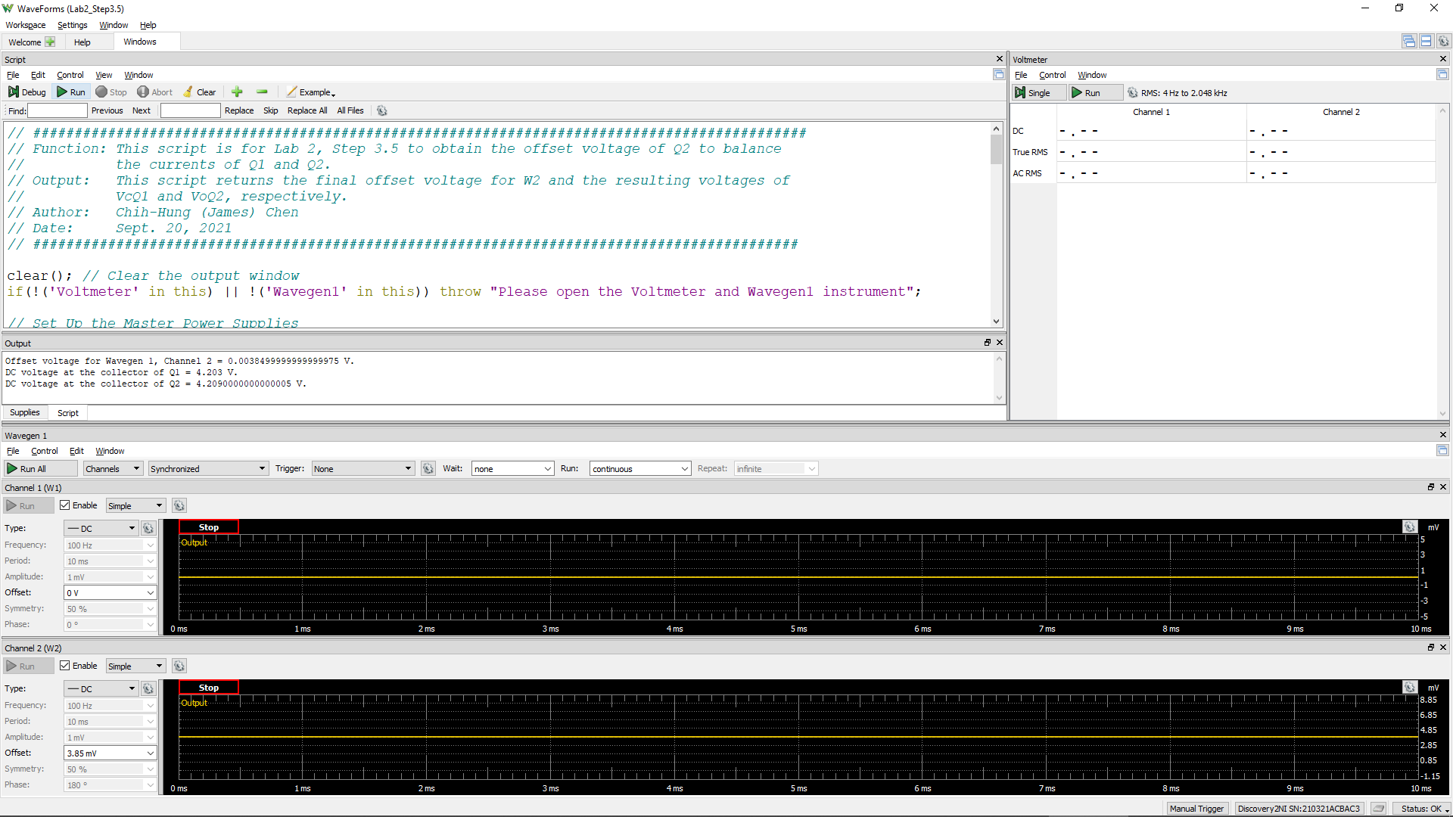
W2Offset | VcQ1 | VoQ2 (= VC2)
Volt | Volt | Volt
0.00755 | 4.152 | 4.154

Step 3.6
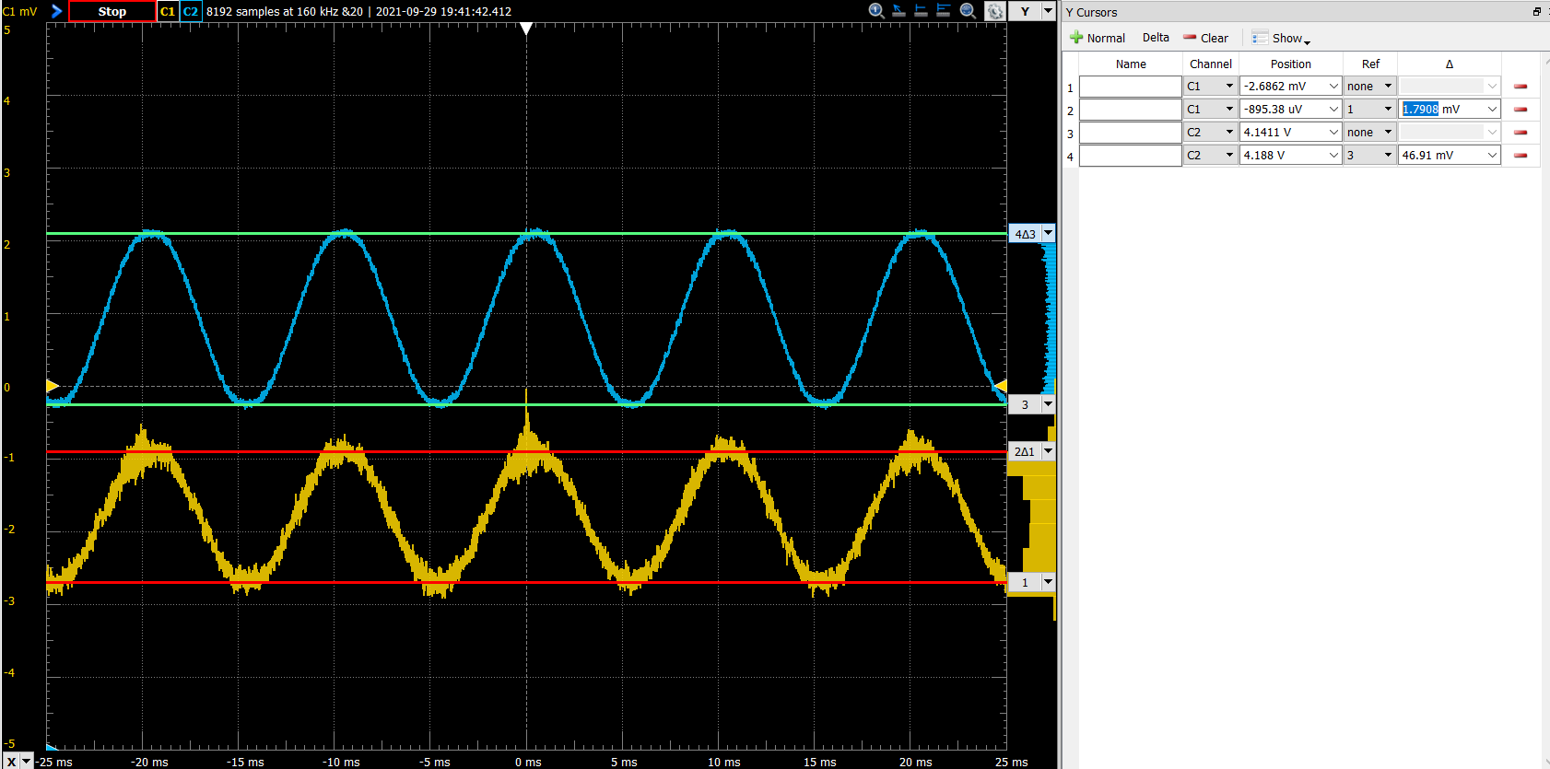
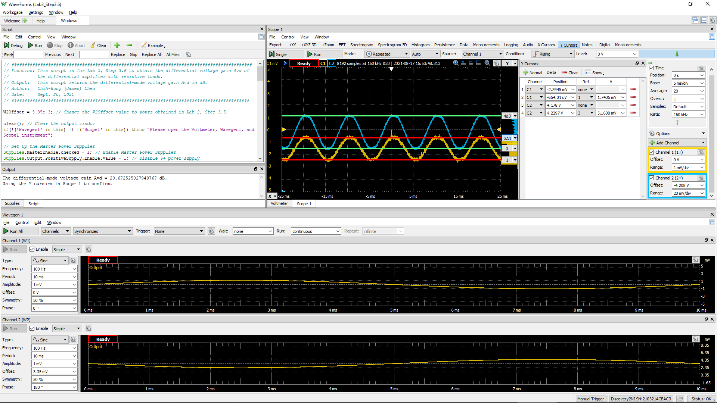
DC1 (V) = Vid | DC2 (V) = Vo(Peak2Peak) | Differential Voltage Gain Av (dB)
1.79E-03 | 4.69E-02 | 22.3

